L10A2
EE417 Advanced Digital Logic with Verilog HDL |  |  | Name: Ron Kalin / Lamin Jammeh |  | Date: 07/17/24
Lesson 10 | Pipelining
Data Flow Graph, Assignment 2

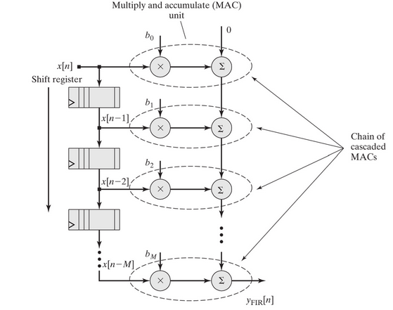
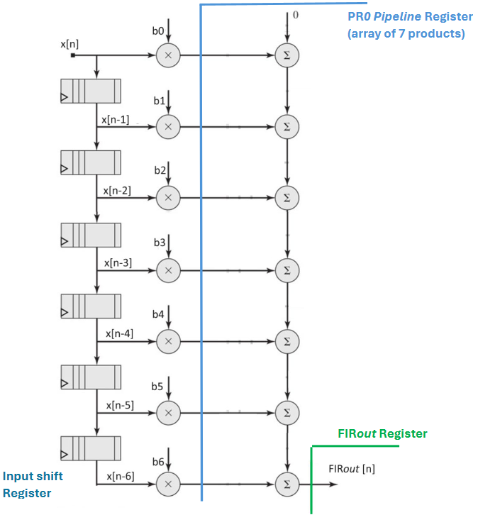
Design your FIR code and test the coherence of the data and find the latency (in terms of clock cycles) for each design. When we learn about timing analysis in lesson 12, we will find the actual propagation delay in ns for the design without pipelining and with different locations for the cut-set. The focus for this assignment is to get correct data alignment and coherence. Comment on the latency and alignment of data in your simulation results. In this question we will add registers at the outputs of all the multipliers. This way multiplication will occur in one clock cycle and then addition will occur in the following clock cycle. Report the latency and the Hardware usage in this case.

 |  | Figure 10.1 |  | Figure 10.2

Consider the 6th order FIR filter (Figure 10.1). The filter coefficients are given in 4bit numbers as follows:
b0 = 2, b1 = 5, b2 = 9, b3 = 14, b4 = 9, b5 = 5, and b6 = 2. The input samples are also 4 bits wide with
positive values. The output of the FIR filter is assigned 11 parallel bits. The output FIRout should be a registered output.

It is required to add one pipeline register PR0 as shown in Figure 10.2. This design will be designated as design A. Design the module and verify its
functionality and the data coherence and compare it to a design with the same FIR filter coefficients but
without any pipelining. Comment on the latency and throughput. (see example posted for thorough guidelines).

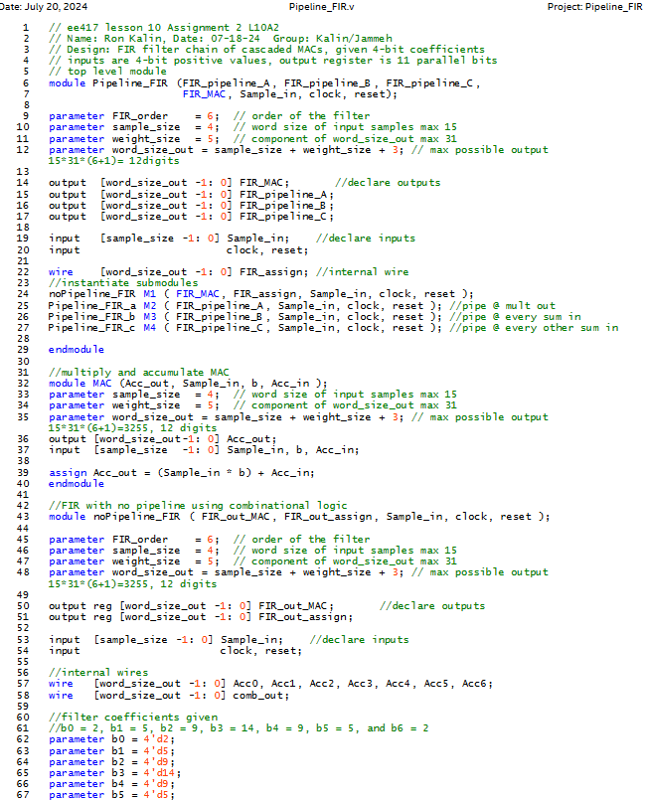
Design Verilog HDL Code - |  |  |  |  |  | // ee417 lesson 10 Assignment 2 L10A2 & A3
 |  |  |  |  |  | // Name: Ron Kalin, Date: 07-18-24 Group: Kalin/Jammeh
 |  |  |  |  |  | // Design: FIR filter chain of cascaded MACs, given 4-bit coefficients
 |  |  |  |  |  | // inputs are 4-bit positive values, output register is 11 parallel bits
 |  |  |  |  |  | // top level module
 |  |  |  |  |  | module Pipeline_FIR (FIR_pipeline_A, FIR_pipeline_B, FIR_pipeline_C,
 |  |  |  |  |  | FIR_MAC, Sample_in, clock, reset);

 |  |  |  |  |  | parameter FIR_order = 6; // order of the filter
 |  |  |  |  |  | parameter sample_size = 4; // word size of input samples max 15
 |  |  |  |  |  | parameter weight_size = 5; // component of word_size_out max 31
 |  |  |  |  |  | parameter word_size_out = sample_size + weight_size + 3; // max possible output 15*31*(6+1)= 12digits

 |  |  |  |  |  | output [word_size_out -1: 0] FIR_MAC; //declare outputs
 |  |  |  |  |  | output [word_size_out -1: 0] FIR_pipeline_A;
 |  |  |  |  |  | output [word_size_out -1: 0] FIR_pipeline_B;
 |  |  |  |  |  | output [word_size_out -1: 0] FIR_pipeline_C;

 |  |  |  |  |  | input [sample_size -1: 0] Sample_in; //declare inputs
 |  |  |  |  |  | input clock, reset;

 |  |  |  |  |  | wire [word_size_out -1: 0] FIR_assign; //internal wire
 |  |  |  |  |  | //instantiate submodules
 |  |  |  |  |  | noPipeline_FIR M1 ( FIR_MAC, FIR_assign, Sample_in, clock, reset );
 |  |  |  |  |  | Pipeline_FIR_a M2 ( FIR_pipeline_A, Sample_in, clock, reset ); //pipe @ mult out
 |  |  |  |  |  | Pipeline_FIR_b M3 ( FIR_pipeline_B, Sample_in, clock, reset ); //pipe @ every sum in
 |  |  |  |  |  | Pipeline_FIR_c M4 ( FIR_pipeline_C, Sample_in, clock, reset ); //pipe @ every other sum in

 |  |  |  |  |  | endmodule

 |  |  |  |  |  | //multiply and accumulate MAC
 |  |  |  |  |  | module MAC (Acc_out, Sample_in, b, Acc_in );
 |  |  |  |  |  | parameter sample_size = 4; // word size of input samples max 15
 |  |  |  |  |  | parameter weight_size = 5; // component of word_size_out max 31
 |  |  |  |  |  | parameter word_size_out = sample_size + weight_size + 3; // max possible output 15*31*(6+1)=3255, 12 digits
 |  |  |  |  |  | output [word_size_out-1: 0] Acc_out;
 |  |  |  |  |  | input [sample_size -1: 0] Sample_in, b, Acc_in;

 |  |  |  |  |  | assign Acc_out = (Sample_in * b) + Acc_in;
 |  |  |  |  |  | endmodule

 |  |  |  |  |  | //FIR with no pipeline using combinational logic
 |  |  |  |  |  | module noPipeline_FIR ( FIR_out_MAC, FIR_out_assign, Sample_in, clock, reset );

 |  |  |  |  |  | parameter FIR_order = 6; // order of the filter
 |  |  |  |  |  | parameter sample_size = 4; // word size of input samples max 15
 |  |  |  |  |  | parameter weight_size = 5; // component of word_size_out max 31
 |  |  |  |  |  | parameter word_size_out = sample_size + weight_size + 3; // max possible output 15*31*(6+1)=3255, 12 digits

 |  |  |  |  |  | output reg [word_size_out -1: 0] FIR_out_MAC; //declare outputs
 |  |  |  |  |  | output reg [word_size_out -1: 0] FIR_out_assign;

 |  |  |  |  |  | input [sample_size -1: 0] Sample_in; //declare inputs
 |  |  |  |  |  | input clock, reset;

 |  |  |  |  |  | //internal wires
 |  |  |  |  |  | wire [word_size_out -1: 0] Acc0, Acc1, Acc2, Acc3, Acc4, Acc5, Acc6;
 |  |  |  |  |  | wire [word_size_out -1: 0] comb_out;

 |  |  |  |  |  | //filter coefficients given
 |  |  |  |  |  | //b0 = 2, b1 = 5, b2 = 9, b3 = 14, b4 = 9, b5 = 5, and b6 = 2
 |  |  |  |  |  | parameter b0 = 4'd2;
 |  |  |  |  |  | parameter b1 = 4'd5;
 |  |  |  |  |  | parameter b2 = 4'd9;
 |  |  |  |  |  | parameter b3 = 4'd14;
 |  |  |  |  |  | parameter b4 = 4'd9;
 |  |  |  |  |  | parameter b5 = 4'd5;
 |  |  |  |  |  | parameter b6 = 4'd2;
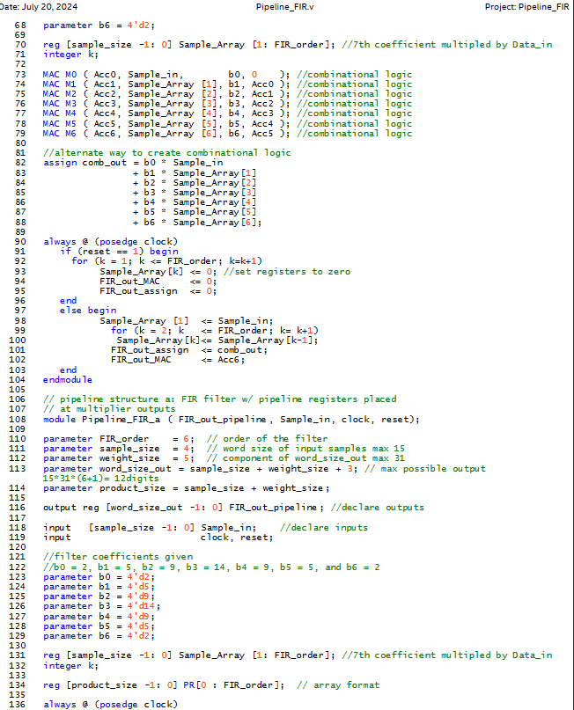
 |  |  |  |  |  | reg [sample_size -1: 0] Sample_Array [1: FIR_order]; //7th coefficient multipled by Data_in
 |  |  |  |  |  | integer k;

 |  |  |  |  |  | MAC M0 ( Acc0, Sample_in, b0, 0 ); //combinational logic
 |  |  |  |  |  | MAC M1 ( Acc1, Sample_Array [1], b1, Acc0 ); //combinational logic
 |  |  |  |  |  | MAC M2 ( Acc2, Sample_Array [2], b2, Acc1 ); //combinational logic
 |  |  |  |  |  | MAC M3 ( Acc3, Sample_Array [3], b3, Acc2 ); //combinational logic
 |  |  |  |  |  | MAC M4 ( Acc4, Sample_Array [4], b4, Acc3 ); //combinational logic
 |  |  |  |  |  | MAC M5 ( Acc5, Sample_Array [5], b5, Acc4 ); //combinational logic
 |  |  |  |  |  | MAC M6 ( Acc6, Sample_Array [6], b6, Acc5 ); //combinational logic

 |  |  |  |  |  | //alternate way to create combinational logic
 |  |  |  |  |  | assign comb_out = b0 * Sample_in
 |  |  |  |  |  | + b1 * Sample_Array[1]
 |  |  |  |  |  |  |  |  |  |  | + b2 * Sample_Array[2]
 |  |  |  |  |  |  |  |  |  |  | + b3 * Sample_Array[3]
 |  |  |  |  |  |  |  |  |  |  | + b4 * Sample_Array[4]
 |  |  |  |  |  |  |  |  |  |  | + b5 * Sample_Array[5]
 |  |  |  |  |  |  |  |  |  |  | + b6 * Sample_Array[6];

 |  |  |  |  |  | always @ (posedge clock)
 |  |  |  |  |  | if (reset == 1) begin
 |  |  |  |  |  |  | for (k = 1; k <= FIR_order; k=k+1)
 |  |  |  |  |  |  | Sample_Array[k] <= 0; //set registers to zero
 |  |  |  |  |  |  |  |  | FIR_out_MAC <= 0;
 |  |  |  |  |  |  |  |  | FIR_out_assign <= 0;
 |  |  |  |  |  |  | end
 |  |  |  |  |  |  | else begin
 |  |  |  |  |  |  | Sample_Array [1] <= Sample_in;
 |  |  |  |  |  |  |  |  | for (k = 2; k <= FIR_order; k= k+1)
 |  |  |  |  |  |  |  |  |  | Sample_Array[k]<= Sample_Array[k-1];
 |  |  |  |  |  |  |  |  |  | FIR_out_assign <= comb_out;
 |  |  |  |  |  |  |  |  | FIR_out_MAC <= Acc6;
 |  |  |  |  |  |  | end
 |  |  |  |  |  | endmodule

 |  |  |  |  |  | // pipeline structure a: FIR filter w/ pipeline registers placed
 |  |  |  |  |  | // at multiplier outputs
 |  |  |  |  |  | module Pipeline_FIR_a ( FIR_out_pipeline, Sample_in, clock, reset);

 |  |  |  |  |  | parameter FIR_order = 6; // order of the filter
 |  |  |  |  |  | parameter sample_size = 4; // word size of input samples max 15
 |  |  |  |  |  | parameter weight_size = 5; // component of word_size_out max 31
 |  |  |  |  |  | parameter word_size_out = sample_size + weight_size + 3; // max possible output 15*31*(6+1)= 12digits
 |  |  |  |  |  | parameter product_size = sample_size + weight_size;

 |  |  |  |  |  | output reg [word_size_out -1: 0] FIR_out_pipeline; //declare outputs

 |  |  |  |  |  | input [sample_size -1: 0] Sample_in; //declare inputs
 |  |  |  |  |  | input clock, reset;

 |  |  |  |  |  | //filter coefficients given
 |  |  |  |  |  | //b0 = 2, b1 = 5, b2 = 9, b3 = 14, b4 = 9, b5 = 5, and b6 = 2
 |  |  |  |  |  | parameter b0 = 4'd2;
 |  |  |  |  |  | parameter b1 = 4'd5;
 |  |  |  |  |  | parameter b2 = 4'd9;
 |  |  |  |  |  | parameter b3 = 4'd14;
 |  |  |  |  |  | parameter b4 = 4'd9;
 |  |  |  |  |  | parameter b5 = 4'd5;
 |  |  |  |  |  | parameter b6 = 4'd2;

 |  |  |  |  |  | reg [sample_size -1: 0] Sample_Array [1: FIR_order]; //7th coefficient multipled by Data_in
 |  |  |  |  |  | integer k;

 |  |  |  |  |  | reg [product_size -1: 0] PR[0 : FIR_order]; // array format

 |  |  |  |  |  | always @ (posedge clock)
 |  |  |  |  |  | if (reset == 1) begin
 |  |  |  |  |  |  | // input shift register
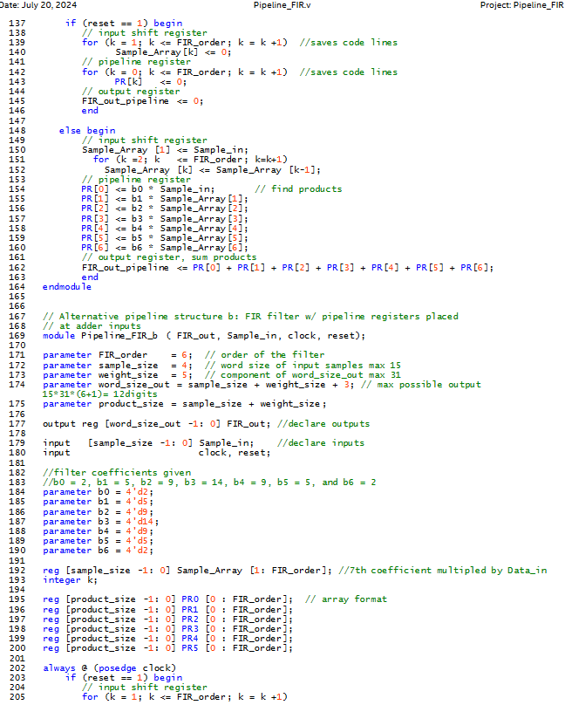
 |  |  |  |  |  |  |  | for (k = 1; k <= FIR_order; k = k +1) //saves code lines
 |  |  |  |  |  |  |  | Sample_Array[k] <= 0;
 |  |  |  |  |  |  |  | // pipeline register
 |  |  |  |  |  |  |  | for (k = 0; k <= FIR_order; k = k +1) //saves code lines
 |  |  |  |  |  |  |  | PR[k] <= 0;
 |  |  |  |  |  |  |  | // output register
 |  |  |  |  |  |  |  | FIR_out_pipeline <= 0;
 |  |  |  |  |  |  |  | end

 |  |  |  |  |  |  | else begin
 |  |  |  |  |  |  | // input shift register
 |  |  |  |  |  |  |  | Sample_Array [1] <= Sample_in;
 |  |  |  |  |  |  |  | for (k =2; k <= FIR_order; k=k+1)
 |  |  |  |  |  |  |  |  | Sample_Array [k] <= Sample_Array [k-1];
 |  |  |  |  |  |  |  | // pipeline register
 |  |  |  |  |  |  |  | PR[0] <= b0 * Sample_in; // find products
 |  |  |  |  |  |  |  | PR[1] <= b1 * Sample_Array[1];
 |  |  |  |  |  |  |  | PR[2] <= b2 * Sample_Array[2];
 |  |  |  |  |  |  |  | PR[3] <= b3 * Sample_Array[3];
 |  |  |  |  |  |  |  | PR[4] <= b4 * Sample_Array[4];
 |  |  |  |  |  |  |  | PR[5] <= b5 * Sample_Array[5];
 |  |  |  |  |  |  |  | PR[6] <= b6 * Sample_Array[6];
 |  |  |  |  |  |  |  | // output register, sum products
 |  |  |  |  |  |  |  | FIR_out_pipeline <= PR[0] + PR[1] + PR[2] + PR[3] + PR[4] + PR[5] + PR[6];
 |  |  |  |  |  |  |  | end
 |  |  |  |  |  | endmodule

 |  |  |  |  |  | // Alternative pipeline structure b: FIR filter w/ pipeline registers placed
 |  |  |  |  |  | // at adder inputs
 |  |  |  |  |  | module Pipeline_FIR_b ( FIR_out, Sample_in, clock, reset);

 |  |  |  |  |  | parameter FIR_order = 6; // order of the filter
 |  |  |  |  |  | parameter sample_size = 4; // word size of input samples max 15
 |  |  |  |  |  | parameter weight_size = 5; // component of word_size_out max 31
 |  |  |  |  |  | parameter word_size_out = sample_size + weight_size + 3; // max possible output 15*31*(6+1)= 12digits
 |  |  |  |  |  | parameter product_size = sample_size + weight_size;

 |  |  |  |  |  | output reg [word_size_out -1: 0] FIR_out; //declare outputs

 |  |  |  |  |  | input [sample_size -1: 0] Sample_in; //declare inputs
 |  |  |  |  |  | input clock, reset;

 |  |  |  |  |  | //filter coefficients given
 |  |  |  |  |  | //b0 = 2, b1 = 5, b2 = 9, b3 = 14, b4 = 9, b5 = 5, and b6 = 2
 |  |  |  |  |  | parameter b0 = 4'd2;
 |  |  |  |  |  | parameter b1 = 4'd5;
 |  |  |  |  |  | parameter b2 = 4'd9;
 |  |  |  |  |  | parameter b3 = 4'd14;
 |  |  |  |  |  | parameter b4 = 4'd9;
 |  |  |  |  |  | parameter b5 = 4'd5;
 |  |  |  |  |  | parameter b6 = 4'd2;

 |  |  |  |  |  | reg [sample_size -1: 0] Sample_Array [1: FIR_order]; //7th coefficient multipled by Data_in
 |  |  |  |  |  | integer k;

 |  |  |  |  |  | reg [product_size -1: 0] PR0 [0 : FIR_order]; // array format
 |  |  |  |  |  | reg [product_size -1: 0] PR1 [0 : FIR_order];
 |  |  |  |  |  | reg [product_size -1: 0] PR2 [0 : FIR_order];
 |  |  |  |  |  | reg [product_size -1: 0] PR3 [0 : FIR_order];
 |  |  |  |  |  | reg [product_size -1: 0] PR4 [0 : FIR_order];
 |  |  |  |  |  | reg [product_size -1: 0] PR5 [0 : FIR_order];

 |  |  |  |  |  | always @ (posedge clock)
 |  |  |  |  |  | if (reset == 1) begin
 |  |  |  |  |  |  | // input shift register
 |  |  |  |  |  |  |  | for (k = 1; k <= FIR_order; k = k +1)
 |  |  |  |  |  |  |  | Sample_Array[k] <= 0;
 |  |  |  |  |  |  |  | // pipeline register PR0
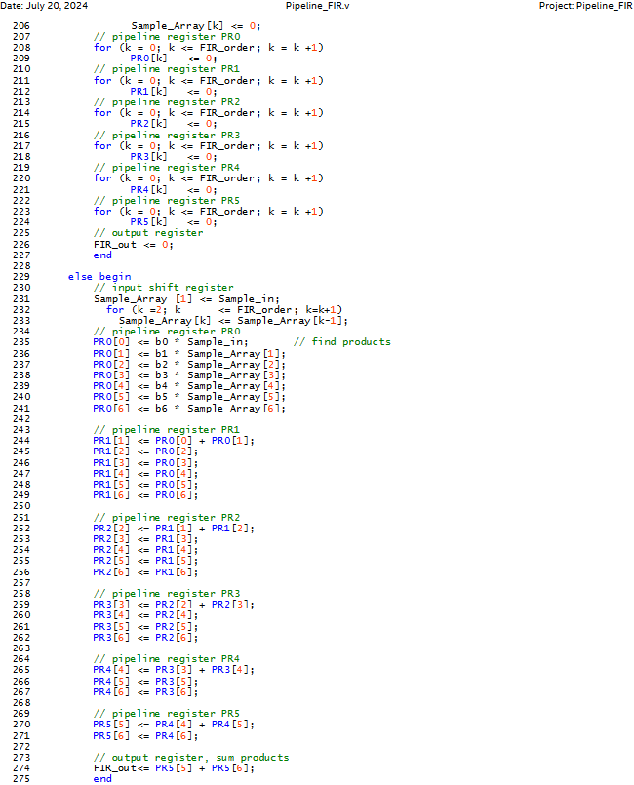
 |  |  |  |  |  |  |  | for (k = 0; k <= FIR_order; k = k +1)
 |  |  |  |  |  |  |  | PR0[k] <= 0;
 |  |  |  |  |  |  |  | // pipeline register PR1
 |  |  |  |  |  |  |  | for (k = 0; k <= FIR_order; k = k +1)
 |  |  |  |  |  |  |  | PR1[k] <= 0;
 |  |  |  |  |  |  |  | // pipeline register PR2
 |  |  |  |  |  |  |  | for (k = 0; k <= FIR_order; k = k +1)
 |  |  |  |  |  |  |  | PR2[k] <= 0;
 |  |  |  |  |  |  |  | // pipeline register PR3
 |  |  |  |  |  |  |  | for (k = 0; k <= FIR_order; k = k +1)
 |  |  |  |  |  |  |  | PR3[k] <= 0;
 |  |  |  |  |  |  |  | // pipeline register PR4
 |  |  |  |  |  |  |  | for (k = 0; k <= FIR_order; k = k +1)
 |  |  |  |  |  |  |  | PR4[k] <= 0;
 |  |  |  |  |  |  |  | // pipeline register PR5
 |  |  |  |  |  |  |  | for (k = 0; k <= FIR_order; k = k +1)
 |  |  |  |  |  |  |  | PR5[k] <= 0;
 |  |  |  |  |  |  |  | // output register
 |  |  |  |  |  |  |  | FIR_out <= 0;
 |  |  |  |  |  |  |  | end

 |  |  |  |  |  |  | else begin
 |  |  |  |  |  |  | // input shift register
 |  |  |  |  |  |  |  | Sample_Array [1] <= Sample_in;
 |  |  |  |  |  |  |  | for (k =2; k <= FIR_order; k=k+1)
 |  |  |  |  |  |  |  |  | Sample_Array[k] <= Sample_Array[k-1];
 |  |  |  |  |  |  |  | // pipeline register PR0
 |  |  |  |  |  |  |  | PR0[0] <= b0 * Sample_in; // find products
 |  |  |  |  |  |  |  | PR0[1] <= b1 * Sample_Array[1];
 |  |  |  |  |  |  |  | PR0[2] <= b2 * Sample_Array[2];
 |  |  |  |  |  |  |  | PR0[3] <= b3 * Sample_Array[3];
 |  |  |  |  |  |  |  | PR0[4] <= b4 * Sample_Array[4];
 |  |  |  |  |  |  |  | PR0[5] <= b5 * Sample_Array[5];
 |  |  |  |  |  |  |  | PR0[6] <= b6 * Sample_Array[6];

 |  |  |  |  |  |  |  | // pipeline register PR1
 |  |  |  |  |  |  |  | PR1[1] <= PR0[0] + PR0[1];
 |  |  |  |  |  |  |  | PR1[2] <= PR0[2];
 |  |  |  |  |  |  |  | PR1[3] <= PR0[3];
 |  |  |  |  |  |  |  | PR1[4] <= PR0[4];
 |  |  |  |  |  |  |  | PR1[5] <= PR0[5];
 |  |  |  |  |  |  |  | PR1[6] <= PR0[6];

 |  |  |  |  |  |  |  | // pipeline register PR2
 |  |  |  |  |  |  |  | PR2[2] <= PR1[1] + PR1[2];
 |  |  |  |  |  |  |  | PR2[3] <= PR1[3];
 |  |  |  |  |  |  |  | PR2[4] <= PR1[4];
 |  |  |  |  |  |  |  | PR2[5] <= PR1[5];
 |  |  |  |  |  |  |  | PR2[6] <= PR1[6];

 |  |  |  |  |  |  |  | // pipeline register PR3
 |  |  |  |  |  |  |  | PR3[3] <= PR2[2] + PR2[3];
 |  |  |  |  |  |  |  | PR3[4] <= PR2[4];
 |  |  |  |  |  |  |  | PR3[5] <= PR2[5];
 |  |  |  |  |  |  |  | PR3[6] <= PR2[6];

 |  |  |  |  |  |  |  | // pipeline register PR4
 |  |  |  |  |  |  |  | PR4[4] <= PR3[3] + PR3[4];
 |  |  |  |  |  |  |  | PR4[5] <= PR3[5];
 |  |  |  |  |  |  |  | PR4[6] <= PR3[6];

 |  |  |  |  |  |  |  | // pipeline register PR5
 |  |  |  |  |  |  |  | PR5[5] <= PR4[4] + PR4[5];
 |  |  |  |  |  |  |  | PR5[6] <= PR4[6];

 |  |  |  |  |  |  |  | // output register, sum products
 |  |  |  |  |  |  |  | FIR_out<= PR5[5] + PR5[6];
 |  |  |  |  |  |  |  | end
 |  |  |  |  |  | endmodule
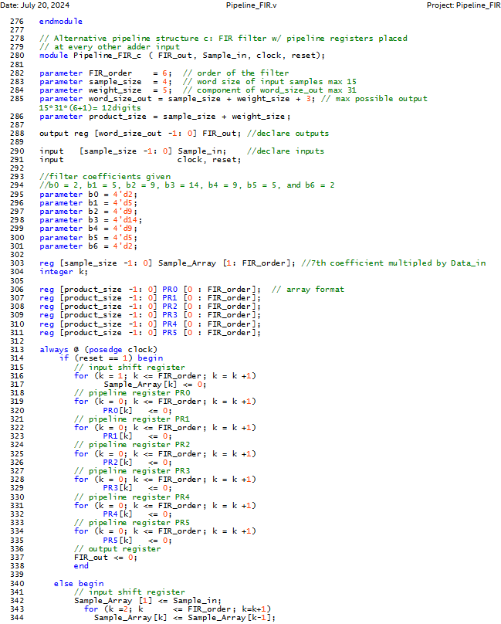
 |  |  |  |  |  | // Alternative pipeline structure c: FIR filter w/ pipeline registers placed
 |  |  |  |  |  | // at every other adder input
 |  |  |  |  |  | module Pipeline_FIR_c ( FIR_out, Sample_in, clock, reset);

 |  |  |  |  |  | parameter FIR_order = 6; // order of the filter
 |  |  |  |  |  | parameter sample_size = 4; // word size of input samples max 15
 |  |  |  |  |  | parameter weight_size = 5; // component of word_size_out max 31
 |  |  |  |  |  | parameter word_size_out = sample_size + weight_size + 3; // max possible output 15*31*(6+1)= 12digits
 |  |  |  |  |  | parameter product_size = sample_size + weight_size;

 |  |  |  |  |  | output reg [word_size_out -1: 0] FIR_out; //declare outputs

 |  |  |  |  |  | input [sample_size -1: 0] Sample_in; //declare inputs
 |  |  |  |  |  | input clock, reset;

 |  |  |  |  |  | //filter coefficients given
 |  |  |  |  |  | //b0 = 2, b1 = 5, b2 = 9, b3 = 14, b4 = 9, b5 = 5, and b6 = 2
 |  |  |  |  |  | parameter b0 = 4'd2;
 |  |  |  |  |  | parameter b1 = 4'd5;
 |  |  |  |  |  | parameter b2 = 4'd9;
 |  |  |  |  |  | parameter b3 = 4'd14;
 |  |  |  |  |  | parameter b4 = 4'd9;
 |  |  |  |  |  | parameter b5 = 4'd5;
 |  |  |  |  |  | parameter b6 = 4'd2;

 |  |  |  |  |  | reg [sample_size -1: 0] Sample_Array [1: FIR_order]; //7th coefficient multipled by Data_in
 |  |  |  |  |  | integer k;

 |  |  |  |  |  | reg [product_size -1: 0] PR0 [0 : FIR_order]; // array format
 |  |  |  |  |  | reg [product_size -1: 0] PR1 [0 : FIR_order];
 |  |  |  |  |  | reg [product_size -1: 0] PR2 [0 : FIR_order];
 |  |  |  |  |  | reg [product_size -1: 0] PR3 [0 : FIR_order];
 |  |  |  |  |  | reg [product_size -1: 0] PR4 [0 : FIR_order];
 |  |  |  |  |  | reg [product_size -1: 0] PR5 [0 : FIR_order];

 |  |  |  |  |  | always @ (posedge clock)
 |  |  |  |  |  | if (reset == 1) begin
 |  |  |  |  |  |  | // input shift register
 |  |  |  |  |  |  |  | for (k = 1; k <= FIR_order; k = k +1)
 |  |  |  |  |  |  |  | Sample_Array[k] <= 0;
 |  |  |  |  |  |  |  | // pipeline register PR0
 |  |  |  |  |  |  |  | for (k = 0; k <= FIR_order; k = k +1)
 |  |  |  |  |  |  |  | PR0[k] <= 0;
 |  |  |  |  |  |  |  | // pipeline register PR1
 |  |  |  |  |  |  |  | for (k = 0; k <= FIR_order; k = k +1)
 |  |  |  |  |  |  |  | PR1[k] <= 0;
 |  |  |  |  |  |  |  | // pipeline register PR2
 |  |  |  |  |  |  |  | for (k = 0; k <= FIR_order; k = k +1)
 |  |  |  |  |  |  |  | PR2[k] <= 0;
 |  |  |  |  |  |  |  | // pipeline register PR3
 |  |  |  |  |  |  |  | for (k = 0; k <= FIR_order; k = k +1)
 |  |  |  |  |  |  |  | PR3[k] <= 0;
 |  |  |  |  |  |  |  | // pipeline register PR4
 |  |  |  |  |  |  |  | for (k = 0; k <= FIR_order; k = k +1)
 |  |  |  |  |  |  |  | PR4[k] <= 0;
 |  |  |  |  |  |  |  | // pipeline register PR5
 |  |  |  |  |  |  |  | for (k = 0; k <= FIR_order; k = k +1)
 |  |  |  |  |  |  |  | PR5[k] <= 0;
 |  |  |  |  |  |  |  | // output register
 |  |  |  |  |  |  |  | FIR_out <= 0;
 |  |  |  |  |  |  |  | end

 |  |  |  |  |  |  | else begin
 |  |  |  |  |  |  | // input shift register
 |  |  |  |  |  |  |  | Sample_Array [1] <= Sample_in;
 |  |  |  |  |  |  |  | for (k =2; k <= FIR_order; k=k+1)
 |  |  |  |  |  |  |  |  | Sample_Array[k] <= Sample_Array[k-1];
 |  |  |  |  |  |  |  | // pipeline register PR0, array of 7 products
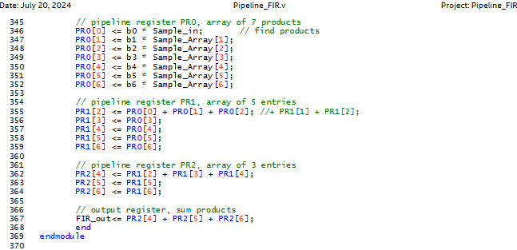
 |  |  |  |  |  |  |  | PR0[0] <= b0 * Sample_in; // find products
 |  |  |  |  |  |  |  | PR0[1] <= b1 * Sample_Array[1];
 |  |  |  |  |  |  |  | PR0[2] <= b2 * Sample_Array[2];
 |  |  |  |  |  |  |  | PR0[3] <= b3 * Sample_Array[3];
 |  |  |  |  |  |  |  | PR0[4] <= b4 * Sample_Array[4];
 |  |  |  |  |  |  |  | PR0[5] <= b5 * Sample_Array[5];
 |  |  |  |  |  |  |  | PR0[6] <= b6 * Sample_Array[6];

 |  |  |  |  |  |  |  | // pipeline register PR1, array of 5 entries
 |  |  |  |  |  |  |  | PR1[2] <= PR0[0] + PR0[1] + PR0[2]; //+ PR1[1] + PR1[2];
 |  |  |  |  |  |  |  | PR1[3] <= PR0[3];
 |  |  |  |  |  |  |  | PR1[4] <= PR0[4];
 |  |  |  |  |  |  |  | PR1[5] <= PR0[5];
 |  |  |  |  |  |  |  | PR1[6] <= PR0[6];

 |  |  |  |  |  |  |  | // pipeline register PR2, array of 3 entries
 |  |  |  |  |  |  |  | PR2[4] <= PR1[2] + PR1[3] + PR1[4];
 |  |  |  |  |  |  |  | PR2[5] <= PR1[5];
 |  |  |  |  |  |  |  | PR2[6] <= PR1[6];

 |  |  |  |  |  |  |  | // output register, sum products
 |  |  |  |  |  |  |  | FIR_out<= PR2[4] + PR2[5] + PR2[6];
 |  |  |  |  |  |  |  | end
 |  |  |  |  |  | endmodule

RTL Viewer
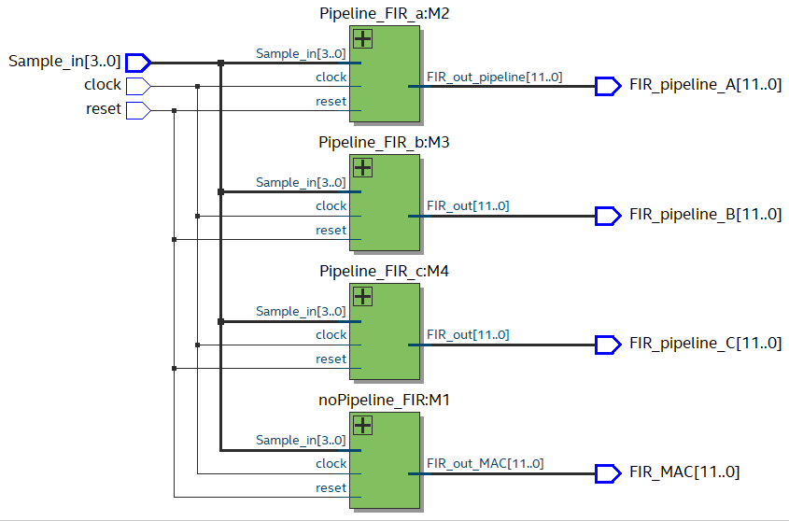

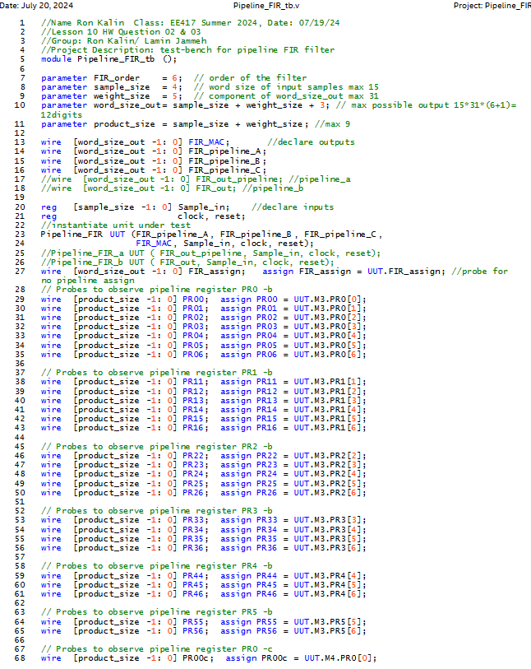
Testbench Verilog HDL Code |  |  |  |  |  | //Name Ron Kalin Class: EE417 Summer 2024, Date: 07/19/24
 |  |  |  |  |  | //Lesson 10 HW Question 02 & 03
 |  |  |  |  |  | //Group: Ron Kalin/ Lamin Jammeh
 |  |  |  |  |  | //Project Description: test-bench for pipeline FIR filter
 |  |  |  |  |  | module Pipeline_FIR_tb ();

 |  |  |  |  |  | parameter FIR_order = 6; // order of the filter
 |  |  |  |  |  | parameter sample_size = 4; // word size of input samples max 15
 |  |  |  |  |  | parameter weight_size = 5; // component of word_size_out max 31
 |  |  |  |  |  | parameter word_size_out= sample_size + weight_size + 3; // max possible output 15*31*(6+1)= 12digits
 |  |  |  |  |  | parameter product_size = sample_size + weight_size; //max 9

 |  |  |  |  |  | wire [word_size_out -1: 0] FIR_MAC; //declare outputs
 |  |  |  |  |  | wire [word_size_out -1: 0] FIR_pipeline_A;
 |  |  |  |  |  | wire [word_size_out -1: 0] FIR_pipeline_B;
 |  |  |  |  |  | wire [word_size_out -1: 0] FIR_pipeline_C;
 |  |  |  |  |  | //wire [word_size_out -1: 0] FIR_out_pipeline; //pipeline_a
 |  |  |  |  |  | //wire [word_size_out -1: 0] FIR_out; //pipeline_b

 |  |  |  |  |  | reg [sample_size -1: 0] Sample_in; //declare inputs
 |  |  |  |  |  | reg clock, reset;
 |  |  |  |  |  | //instantiate unit under test
 |  |  |  |  |  | Pipeline_FIR UUT (FIR_pipeline_A, FIR_pipeline_B, FIR_pipeline_C,
 |  |  |  |  |  | FIR_MAC, Sample_in, clock, reset);
 |  |  |  |  |  | //Pipeline_FIR_a UUT ( FIR_out_pipeline, Sample_in, clock, reset);
 |  |  |  |  |  | //Pipeline_FIR_b UUT ( FIR_out, Sample_in, clock, reset);
 |  |  |  |  |  | wire [word_size_out -1: 0] FIR_assign; assign FIR_assign = UUT.FIR_assign; //probe for no pipeline assign
 |  |  |  |  |  | // Probes to observe pipeline register PR0 -b
 |  |  |  |  |  | wire [product_size -1: 0] PR00; assign PR00 = UUT.M3.PR0[0];
 |  |  |  |  |  | wire [product_size -1: 0] PR01; assign PR01 = UUT.M3.PR0[1];
 |  |  |  |  |  | wire [product_size -1: 0] PR02; assign PR02 = UUT.M3.PR0[2];
 |  |  |  |  |  | wire [product_size -1: 0] PR03; assign PR03 = UUT.M3.PR0[3];
 |  |  |  |  |  | wire [product_size -1: 0] PR04; assign PR04 = UUT.M3.PR0[4];
 |  |  |  |  |  | wire [product_size -1: 0] PR05; assign PR05 = UUT.M3.PR0[5];
 |  |  |  |  |  | wire [product_size -1: 0] PR06; assign PR06 = UUT.M3.PR0[6];

 |  |  |  |  |  | // Probes to observe pipeline register PR1 -b
 |  |  |  |  |  | wire [product_size -1: 0] PR11; assign PR11 = UUT.M3.PR1[1];
 |  |  |  |  |  | wire [product_size -1: 0] PR12; assign PR12 = UUT.M3.PR1[2];
 |  |  |  |  |  | wire [product_size -1: 0] PR13; assign PR13 = UUT.M3.PR1[3];
 |  |  |  |  |  | wire [product_size -1: 0] PR14; assign PR14 = UUT.M3.PR1[4];
 |  |  |  |  |  | wire [product_size -1: 0] PR15; assign PR15 = UUT.M3.PR1[5];
 |  |  |  |  |  | wire [product_size -1: 0] PR16; assign PR16 = UUT.M3.PR1[6];

 |  |  |  |  |  | // Probes to observe pipeline register PR2 -b
 |  |  |  |  |  | wire [product_size -1: 0] PR22; assign PR22 = UUT.M3.PR2[2];
 |  |  |  |  |  | wire [product_size -1: 0] PR23; assign PR23 = UUT.M3.PR2[3];
 |  |  |  |  |  | wire [product_size -1: 0] PR24; assign PR24 = UUT.M3.PR2[4];
 |  |  |  |  |  | wire [product_size -1: 0] PR25; assign PR25 = UUT.M3.PR2[5];
 |  |  |  |  |  | wire [product_size -1: 0] PR26; assign PR26 = UUT.M3.PR2[6];

 |  |  |  |  |  | // Probes to observe pipeline register PR3 -b
 |  |  |  |  |  | wire [product_size -1: 0] PR33; assign PR33 = UUT.M3.PR3[3];
 |  |  |  |  |  | wire [product_size -1: 0] PR34; assign PR34 = UUT.M3.PR3[4];
 |  |  |  |  |  | wire [product_size -1: 0] PR35; assign PR35 = UUT.M3.PR3[5];
 |  |  |  |  |  | wire [product_size -1: 0] PR36; assign PR36 = UUT.M3.PR3[6];

 |  |  |  |  |  | // Probes to observe pipeline register PR4 -b
 |  |  |  |  |  | wire [product_size -1: 0] PR44; assign PR44 = UUT.M3.PR4[4];
 |  |  |  |  |  | wire [product_size -1: 0] PR45; assign PR45 = UUT.M3.PR4[5];
 |  |  |  |  |  | wire [product_size -1: 0] PR46; assign PR46 = UUT.M3.PR4[6];

 |  |  |  |  |  | // Probes to observe pipeline register PR5 -b
 |  |  |  |  |  | wire [product_size -1: 0] PR55; assign PR55 = UUT.M3.PR5[5];
 |  |  |  |  |  | wire [product_size -1: 0] PR56; assign PR56 = UUT.M3.PR5[6];

 |  |  |  |  |  | // Probes to observe pipeline register PR0 -c
 |  |  |  |  |  | wire [product_size -1: 0] PR00c; assign PR00c = UUT.M4.PR0[0];
 |  |  |  |  |  | wire [product_size -1: 0] PR01c; assign PR01c = UUT.M4.PR0[1];
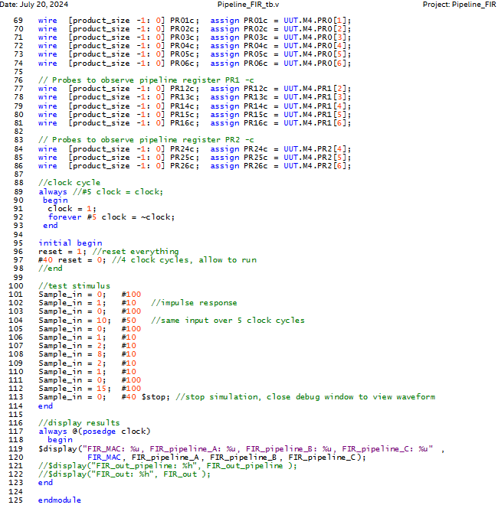
 |  |  |  |  |  | wire [product_size -1: 0] PR02c; assign PR02c = UUT.M4.PR0[2];
 |  |  |  |  |  | wire [product_size -1: 0] PR03c; assign PR03c = UUT.M4.PR0[3];
 |  |  |  |  |  | wire [product_size -1: 0] PR04c; assign PR04c = UUT.M4.PR0[4];
 |  |  |  |  |  | wire [product_size -1: 0] PR05c; assign PR05c = UUT.M4.PR0[5];
 |  |  |  |  |  | wire [product_size -1: 0] PR06c; assign PR06c = UUT.M4.PR0[6];

 |  |  |  |  |  | // Probes to observe pipeline register PR1 -c
 |  |  |  |  |  | wire [product_size -1: 0] PR12c; assign PR12c = UUT.M4.PR1[2];
 |  |  |  |  |  | wire [product_size -1: 0] PR13c; assign PR13c = UUT.M4.PR1[3];
 |  |  |  |  |  | wire [product_size -1: 0] PR14c; assign PR14c = UUT.M4.PR1[4];
 |  |  |  |  |  | wire [product_size -1: 0] PR15c; assign PR15c = UUT.M4.PR1[5];
 |  |  |  |  |  | wire [product_size -1: 0] PR16c; assign PR16c = UUT.M4.PR1[6];

 |  |  |  |  |  | // Probes to observe pipeline register PR2 -c
 |  |  |  |  |  | wire [product_size -1: 0] PR24c; assign PR24c = UUT.M4.PR2[4];
 |  |  |  |  |  | wire [product_size -1: 0] PR25c; assign PR25c = UUT.M4.PR2[5];
 |  |  |  |  |  | wire [product_size -1: 0] PR26c; assign PR26c = UUT.M4.PR2[6];

 |  |  |  |  |  | //clock cycle
 |  |  |  |  |  | always //#5 clock = clock;
 |  |  |  |  |  | begin
 |  |  |  |  |  | clock = 1;
 |  |  |  |  |  | forever #5 clock = ~clock;
 |  |  |  |  |  | end

 |  |  |  |  |  | initial begin
 |  |  |  |  |  | reset = 1; //reset everything
 |  |  |  |  |  | #40 reset = 0; //4 clock cycles, allow to run
 |  |  |  |  |  | //end

 |  |  |  |  |  | //test stimulus
 |  |  |  |  |  | Sample_in = 0; #100
 |  |  |  |  |  | Sample_in = 1; #10 //impulse response
 |  |  |  |  |  | Sample_in = 0; #100
 |  |  |  |  |  | Sample_in = 10; #50 //same input over 5 clock cycles
 |  |  |  |  |  | Sample_in = 0; #100
 |  |  |  |  |  | Sample_in = 1; #10
 |  |  |  |  |  | Sample_in = 2; #10
 |  |  |  |  |  | Sample_in = 8; #10
 |  |  |  |  |  | Sample_in = 2; #10
 |  |  |  |  |  | Sample_in = 1; #10
 |  |  |  |  |  | Sample_in = 0; #100
 |  |  |  |  |  | Sample_in = 15; #100
 |  |  |  |  |  | Sample_in = 0; #40 $stop; //stop simulation, close debug window to view waveform
 |  |  |  |  |  | end

 |  |  |  |  |  | //display results
 |  |  |  |  |  | always @(posedge clock)
 |  |  |  |  |  | begin
 |  |  |  |  |  | $display("FIR_MAC: %u, FIR_pipeline_A: %u, FIR_pipeline_B: %u, FIR_pipeline_C: %u",
 |  |  |  |  |  | FIR_MAC, FIR_pipeline_A, FIR_pipeline_B, FIR_pipeline_C);
 |  |  |  |  |  | //$display("FIR_out_pipeline: %h", FIR_out_pipeline );
 |  |  |  |  |  | //$display("FIR_out: %h", FIR_out );
 |  |  |  |  |  | end
RTL Simulation -from Questa
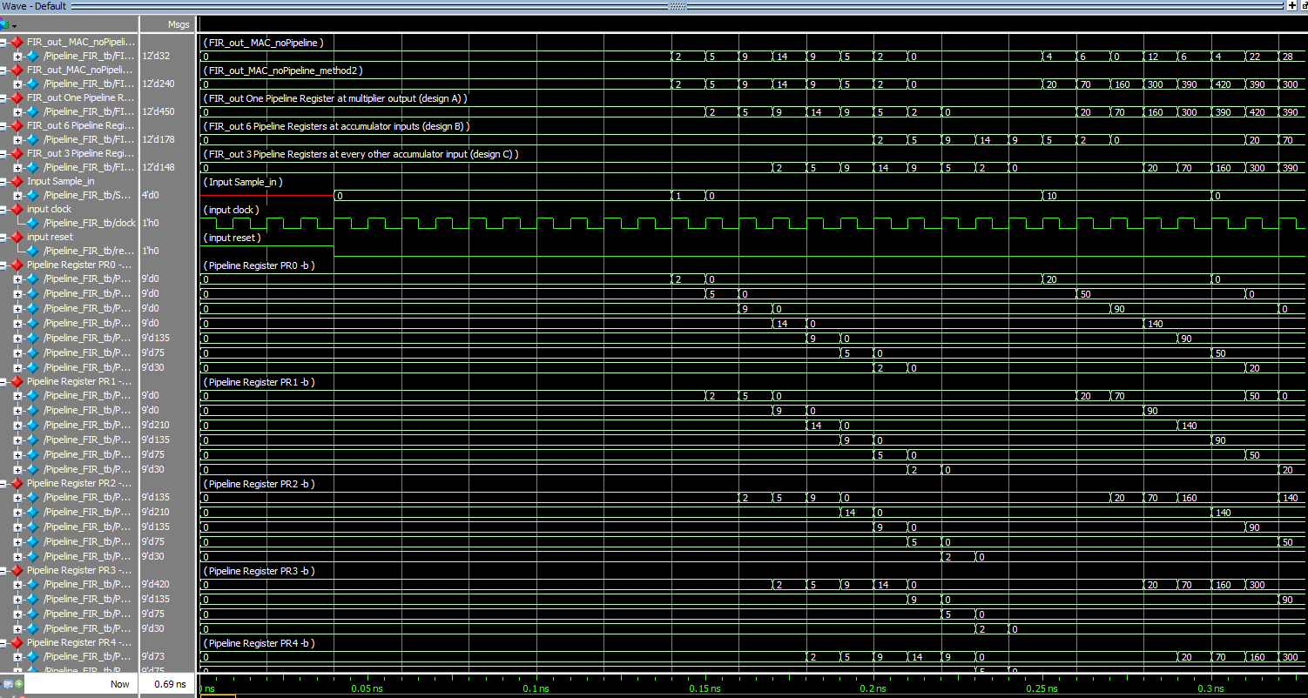
Latency=1 clock cycle
Latency=6 clock cycles
 |  |  |  |  |  | endmodule

Latency=3 clock cycles

Matching results between all 4 designs (no, A, B, C) confirms data coherency for the pipelined design.
The latency between the design with no pipeline can be seen, design a (yellow), design c (blue), and design b (red).

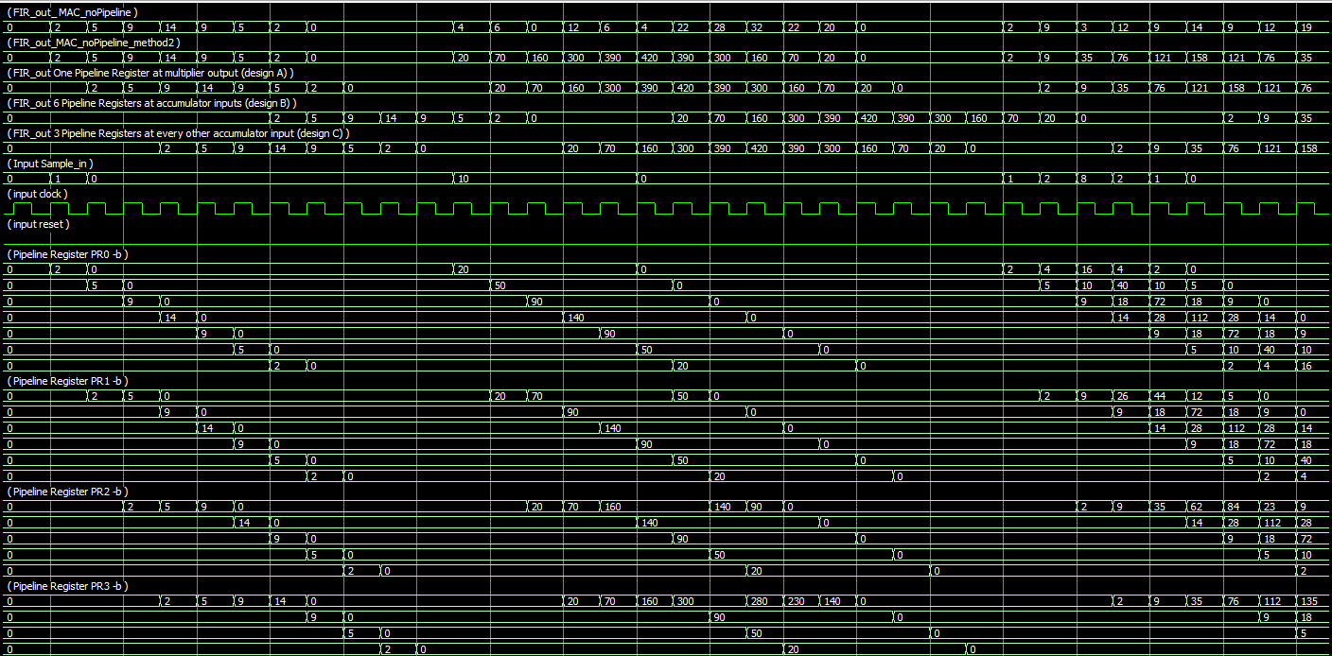

Matching results between design a (yellow) and design c (blue). Design c can be seen that the registers add up to the total output at the top.
Output Table
# FIR_Mac: xxx, FIR_pipeline_A: xxx, FIR_pipeline_B: xxx, FIR_pipeline_C: xxx
# FIR_Mac: 000, FIR_pipeline_A: 000, FIR_pipeline_B: 000, FIR_pipeline_C: 000
# FIR_Mac: 000, FIR_pipeline_A: 000, FIR_pipeline_B: 000, FIR_pipeline_C: 000
# FIR_Mac: 000, FIR_pipeline_A: 000, FIR_pipeline_B: 000, FIR_pipeline_C: 000
# FIR_Mac: 000, FIR_pipeline_A: 000, FIR_pipeline_B: 000, FIR_pipeline_C: 000
# FIR_Mac: 000, FIR_pipeline_A: 000, FIR_pipeline_B: 000, FIR_pipeline_C: 000
# FIR_Mac: 000, FIR_pipeline_A: 000, FIR_pipeline_B: 000, FIR_pipeline_C: 000
# FIR_Mac: 000, FIR_pipeline_A: 000, FIR_pipeline_B: 000, FIR_pipeline_C: 000
# FIR_Mac: 000, FIR_pipeline_A: 000, FIR_pipeline_B: 000, FIR_pipeline_C: 000
# FIR_Mac: 000, FIR_pipeline_A: 000, FIR_pipeline_B: 000, FIR_pipeline_C: 000
# FIR_Mac: 000, FIR_pipeline_A: 000, FIR_pipeline_B: 000, FIR_pipeline_C: 000
# FIR_Mac: 000, FIR_pipeline_A: 000, FIR_pipeline_B: 000, FIR_pipeline_C: 000
# FIR_Mac: 000, FIR_pipeline_A: 000, FIR_pipeline_B: 000, FIR_pipeline_C: 000
# FIR_Mac: 000, FIR_pipeline_A: 000, FIR_pipeline_B: 000, FIR_pipeline_C: 000
# FIR_Mac: 000, FIR_pipeline_A: 000, FIR_pipeline_B: 000, FIR_pipeline_C: 000
# FIR_Mac: 002, FIR_pipeline_A: 000, FIR_pipeline_B: 000, FIR_pipeline_C: 000
# FIR_Mac: 005, FIR_pipeline_A: 002, FIR_pipeline_B: 000, FIR_pipeline_C: 000
# FIR_Mac: 009, FIR_pipeline_A: 005, FIR_pipeline_B: 000, FIR_pipeline_C: 000
# FIR_Mac: 00e, FIR_pipeline_A: 009, FIR_pipeline_B: 000, FIR_pipeline_C: 002
# FIR_Mac: 009, FIR_pipeline_A: 00e, FIR_pipeline_B: 000, FIR_pipeline_C: 005
# FIR_Mac: 005, FIR_pipeline_A: 009, FIR_pipeline_B: 000, FIR_pipeline_C: 009
# FIR_Mac: 002, FIR_pipeline_A: 005, FIR_pipeline_B: 002, FIR_pipeline_C: 00e
# FIR_Mac: 000, FIR_pipeline_A: 002, FIR_pipeline_B: 005, FIR_pipeline_C: 009
# FIR_Mac: 000, FIR_pipeline_A: 000, FIR_pipeline_B: 009, FIR_pipeline_C: 005
# FIR_Mac: 000, FIR_pipeline_A: 000, FIR_pipeline_B: 00e, FIR_pipeline_C: 002
# FIR_Mac: 000, FIR_pipeline_A: 000, FIR_pipeline_B: 009, FIR_pipeline_C: 000
# FIR_Mac: 004, FIR_pipeline_A: 000, FIR_pipeline_B: 005, FIR_pipeline_C: 000
# FIR_Mac: 006, FIR_pipeline_A: 014, FIR_pipeline_B: 002, FIR_pipeline_C: 000
# FIR_Mac: 000, FIR_pipeline_A: 046, FIR_pipeline_B: 000, FIR_pipeline_C: 000
# FIR_Mac: 00c, FIR_pipeline_A: 0a0, FIR_pipeline_B: 000, FIR_pipeline_C: 014
# FIR_Mac: 006, FIR_pipeline_A: 12c, FIR_pipeline_B: 000, FIR_pipeline_C: 046
# FIR_Mac: 004, FIR_pipeline_A: 186, FIR_pipeline_B: 000, FIR_pipeline_C: 0a0
# FIR_Mac: 016, FIR_pipeline_A: 1a4, FIR_pipeline_B: 014, FIR_pipeline_C: 12c
# FIR_Mac: 01c, FIR_pipeline_A: 186, FIR_pipeline_B: 046, FIR_pipeline_C: 186
# FIR_Mac: 020, FIR_pipeline_A: 12c, FIR_pipeline_B: 0a0, FIR_pipeline_C: 1a4
# FIR_Mac: 016, FIR_pipeline_A: 0a0, FIR_pipeline_B: 12c, FIR_pipeline_C: 186
# FIR_Mac: 014, FIR_pipeline_A: 046, FIR_pipeline_B: 186, FIR_pipeline_C: 12c
# FIR_Mac: 000, FIR_pipeline_A: 014, FIR_pipeline_B: 1a4, FIR_pipeline_C: 0a0
# FIR_Mac: 000, FIR_pipeline_A: 000, FIR_pipeline_B: 186, FIR_pipeline_C: 046
# FIR_Mac: 000, FIR_pipeline_A: 000, FIR_pipeline_B: 12c, FIR_pipeline_C: 014
# FIR_Mac: 000, FIR_pipeline_A: 000, FIR_pipeline_B: 0a0, FIR_pipeline_C: 000
# FIR_Mac: 002, FIR_pipeline_A: 000, FIR_pipeline_B: 046, FIR_pipeline_C: 000
# FIR_Mac: 009, FIR_pipeline_A: 002, FIR_pipeline_B: 014, FIR_pipeline_C: 000
# FIR_Mac: 003, FIR_pipeline_A: 009, FIR_pipeline_B: 000, FIR_pipeline_C: 000
# FIR_Mac: 00c, FIR_pipeline_A: 023, FIR_pipeline_B: 000, FIR_pipeline_C: 002
# FIR_Mac: 009, FIR_pipeline_A: 04c, FIR_pipeline_B: 000, FIR_pipeline_C: 009
# FIR_Mac: 00e, FIR_pipeline_A: 079, FIR_pipeline_B: 000, FIR_pipeline_C: 023
# FIR_Mac: 009, FIR_pipeline_A: 09e, FIR_pipeline_B: 002, FIR_pipeline_C: 04c
# FIR_Mac: 00c, FIR_pipeline_A: 079, FIR_pipeline_B: 009, FIR_pipeline_C: 079
# FIR_Mac: 013, FIR_pipeline_A: 04c, FIR_pipeline_B: 023, FIR_pipeline_C: 09e
# FIR_Mac: 009, FIR_pipeline_A: 023, FIR_pipeline_B: 04c, FIR_pipeline_C: 079
# FIR_Mac: 002, FIR_pipeline_A: 009, FIR_pipeline_B: 079, FIR_pipeline_C: 04c
# FIR_Mac: 000, FIR_pipeline_A: 002, FIR_pipeline_B: 09e, FIR_pipeline_C: 023
# FIR_Mac: 000, FIR_pipeline_A: 000, FIR_pipeline_B: 079, FIR_pipeline_C: 009
# FIR_Mac: 000, FIR_pipeline_A: 000, FIR_pipeline_B: 04c, FIR_pipeline_C: 002
# FIR_Mac: 000, FIR_pipeline_A: 000, FIR_pipeline_B: 023, FIR_pipeline_C: 000
# FIR_Mac: 00e, FIR_pipeline_A: 000, FIR_pipeline_B: 009, FIR_pipeline_C: 000
# FIR_Mac: 009, FIR_pipeline_A: 01e, FIR_pipeline_B: 002, FIR_pipeline_C: 000
# FIR_Mac: 000, FIR_pipeline_A: 069, FIR_pipeline_B: 000, FIR_pipeline_C: 000
# FIR_Mac: 002, FIR_pipeline_A: 0f0, FIR_pipeline_B: 000, FIR_pipeline_C: 01e
# FIR_Mac: 009, FIR_pipeline_A: 1c2, FIR_pipeline_B: 000, FIR_pipeline_C: 069
# FIR_Mac: 004, FIR_pipeline_A: 249, FIR_pipeline_B: 000, FIR_pipeline_C: 0f0
# FIR_Mac: 022, FIR_pipeline_A: 294, FIR_pipeline_B: 01e, FIR_pipeline_C: 1c2
# FIR_Mac: 022, FIR_pipeline_A: 2b2, FIR_pipeline_B: 069, FIR_pipeline_C: 049
# FIR_Mac: 022, FIR_pipeline_A: 2b2, FIR_pipeline_B: 0f0, FIR_pipeline_C: 094
# FIR_Mac: 022, FIR_pipeline_A: 2b2, FIR_pipeline_B: 1c2, FIR_pipeline_C: 0b2
# FIR_Mac: 024, FIR_pipeline_A: 2b2, FIR_pipeline_B: 049, FIR_pipeline_C: 0b2
# FIR_Mac: 029, FIR_pipeline_A: 294, FIR_pipeline_B: 094, FIR_pipeline_C: 0b2
# FIR_Mac: 022, FIR_pipeline_A: 249, FIR_pipeline_B: 0b2, FIR_pipeline_C: 0b2

Conclusion
Reset high means Sample_input, internal registers, and output registers become zero.
When reset is low FIR filter is active. When filter is active, the actions happen on the positive clock edge.

This report contains both assignment 2 (design a), and assignment 3 (design c).

A FIR with no pipeline was used, along with pipeline structure (a) FIR filter with pipeline registers placed at multiplier outputs, and two alternative
pipeline structures. (b) for FIR filter with pipeline registers placed all adder inputs, and (C) with pipelines positioned at every other adder input.
Simulation results show each pipelining register passes the values saved in its array to the next one.
The top two values are added together while the rest pass as is to the next register. The throughput (new output) is available at every clock cycle.
With the pipelining, the longest propagation delay for the combinational logic between the registers can be shortened, which will consequently
allow reducing clock period and increasing clock frequency. With an output available at every clock cycle, the throughput of the
module increases. The pipelining improves hardware utilization efficiency.

L10A3
EE417 Advanced Digital Logic with Verilog HDL |  |  | Name: Ron Kalin / Lamin Jammeh |  | Date: 07/20/24
Lesson 10 | Pipelining
Data Flow Graph, Assignment 3

Assignment Question 3: (40 points) Consider the following 6th order FIR filter (Figure 10.1). The filter coefficients are given in 4bit numbers as follows: b0 = 2, b1 = 5, b2 = 9, b3 = 14, b4 = 9, b5 = 5, and b6 = 2. The input samples are also 4 bits wide with positive values. The output of the FIR filter is assigned 11 parallel bits. The output FIRout should be a registered output. It is required to add pipeline registers PR0, PR1, PR2 as shown in Figure 10.3. This design shall heretofore be known as design C. Design the module and verify its functionality and the data coherence and compare it to a design with the same FIR filter coefficients but without any pipelining. Comment on the latency and throughput. (see example posted for thorough guidelines)

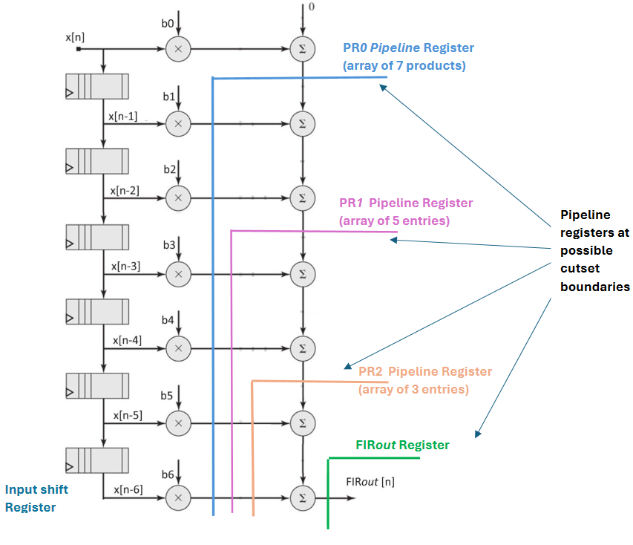

 |  | Figure 10.1 |  | Figure 10.3

Design Verilog HDL Code - |  |  |  |  |  | // ee417 lesson 10 Assignment 2 L10A2 & A3
 |  |  |  |  |  | // Name: Ron Kalin, Date: 07-18-24 Group: Kalin/Jammeh
 |  |  |  |  |  | // Design: FIR filter chain of cascaded MACs, given 4-bit coefficients
 |  |  |  |  |  | // inputs are 4-bit positive values, output register is 11 parallel bits
 |  |  |  |  |  | // top level module
 |  |  |  |  |  | module Pipeline_FIR (FIR_pipeline_A, FIR_pipeline_B, FIR_pipeline_C,
 |  |  |  |  |  | FIR_MAC, Sample_in, clock, reset);

 |  |  |  |  |  | parameter FIR_order = 6; // order of the filter
 |  |  |  |  |  | parameter sample_size = 4; // word size of input samples max 15
 |  |  |  |  |  | parameter weight_size = 5; // component of word_size_out max 31
 |  |  |  |  |  | parameter word_size_out = sample_size + weight_size + 3; // max possible output 15*31*(6+1)= 12digits

 |  |  |  |  |  | output [word_size_out -1: 0] FIR_MAC; //declare outputs
 |  |  |  |  |  | output [word_size_out -1: 0] FIR_pipeline_A;
 |  |  |  |  |  | output [word_size_out -1: 0] FIR_pipeline_B;
 |  |  |  |  |  | output [word_size_out -1: 0] FIR_pipeline_C;

 |  |  |  |  |  | input [sample_size -1: 0] Sample_in; //declare inputs
 |  |  |  |  |  | input clock, reset;

 |  |  |  |  |  | wire [word_size_out -1: 0] FIR_assign; //internal wire
 |  |  |  |  |  | //instantiate submodules
 |  |  |  |  |  | noPipeline_FIR M1 ( FIR_MAC, FIR_assign, Sample_in, clock, reset );
 |  |  |  |  |  | Pipeline_FIR_a M2 ( FIR_pipeline_A, Sample_in, clock, reset ); //pipe @ mult out
 |  |  |  |  |  | Pipeline_FIR_b M3 ( FIR_pipeline_B, Sample_in, clock, reset ); //pipe @ every sum in
 |  |  |  |  |  | Pipeline_FIR_c M4 ( FIR_pipeline_C, Sample_in, clock, reset ); //pipe @ every other sum in

 |  |  |  |  |  | endmodule

 |  |  |  |  |  | //multiply and accumulate MAC
 |  |  |  |  |  | module MAC (Acc_out, Sample_in, b, Acc_in );
 |  |  |  |  |  | parameter sample_size = 4; // word size of input samples max 15
 |  |  |  |  |  | parameter weight_size = 5; // component of word_size_out max 31
 |  |  |  |  |  | parameter word_size_out = sample_size + weight_size + 3; // max possible output 15*31*(6+1)=3255, 12 digits
 |  |  |  |  |  | output [word_size_out-1: 0] Acc_out;
 |  |  |  |  |  | input [sample_size -1: 0] Sample_in, b, Acc_in;

 |  |  |  |  |  | assign Acc_out = (Sample_in * b) + Acc_in;
 |  |  |  |  |  | endmodule

 |  |  |  |  |  | //FIR with no pipeline using combinational logic
 |  |  |  |  |  | module noPipeline_FIR ( FIR_out_MAC, FIR_out_assign, Sample_in, clock, reset );

 |  |  |  |  |  | parameter FIR_order = 6; // order of the filter
 |  |  |  |  |  | parameter sample_size = 4; // word size of input samples max 15
 |  |  |  |  |  | parameter weight_size = 5; // component of word_size_out max 31
 |  |  |  |  |  | parameter word_size_out = sample_size + weight_size + 3; // max possible output 15*31*(6+1)=3255, 12 digits

 |  |  |  |  |  | output reg [word_size_out -1: 0] FIR_out_MAC; //declare outputs
 |  |  |  |  |  | output reg [word_size_out -1: 0] FIR_out_assign;

 |  |  |  |  |  | input [sample_size -1: 0] Sample_in; //declare inputs
 |  |  |  |  |  | input clock, reset;

 |  |  |  |  |  | //internal wires
 |  |  |  |  |  | wire [word_size_out -1: 0] Acc0, Acc1, Acc2, Acc3, Acc4, Acc5, Acc6;
 |  |  |  |  |  | wire [word_size_out -1: 0] comb_out;

 |  |  |  |  |  | //filter coefficients given
 |  |  |  |  |  | //b0 = 2, b1 = 5, b2 = 9, b3 = 14, b4 = 9, b5 = 5, and b6 = 2
 |  |  |  |  |  | parameter b0 = 4'd2;
 |  |  |  |  |  | parameter b1 = 4'd5;
 |  |  |  |  |  | parameter b2 = 4'd9;
 |  |  |  |  |  | parameter b3 = 4'd14;
 |  |  |  |  |  | parameter b4 = 4'd9;
 |  |  |  |  |  | parameter b5 = 4'd5;
 |  |  |  |  |  | parameter b6 = 4'd2;

 |  |  |  |  |  | reg [sample_size -1: 0] Sample_Array [1: FIR_order]; //7th coefficient multipled by Data_in
 |  |  |  |  |  | integer k;

 |  |  |  |  |  | MAC M0 ( Acc0, Sample_in, b0, 0 ); //combinational logic
 |  |  |  |  |  | MAC M1 ( Acc1, Sample_Array [1], b1, Acc0 ); //combinational logic
 |  |  |  |  |  | MAC M2 ( Acc2, Sample_Array [2], b2, Acc1 ); //combinational logic
 |  |  |  |  |  | MAC M3 ( Acc3, Sample_Array [3], b3, Acc2 ); //combinational logic
 |  |  |  |  |  | MAC M4 ( Acc4, Sample_Array [4], b4, Acc3 ); //combinational logic
 |  |  |  |  |  | MAC M5 ( Acc5, Sample_Array [5], b5, Acc4 ); //combinational logic
 |  |  |  |  |  | MAC M6 ( Acc6, Sample_Array [6], b6, Acc5 ); //combinational logic

 |  |  |  |  |  | //alternate way to create combinational logic
 |  |  |  |  |  | assign comb_out = b0 * Sample_in
 |  |  |  |  |  | + b1 * Sample_Array[1]
 |  |  |  |  |  |  |  |  |  |  | + b2 * Sample_Array[2]
 |  |  |  |  |  |  |  |  |  |  | + b3 * Sample_Array[3]
 |  |  |  |  |  |  |  |  |  |  | + b4 * Sample_Array[4]
 |  |  |  |  |  |  |  |  |  |  | + b5 * Sample_Array[5]
 |  |  |  |  |  |  |  |  |  |  | + b6 * Sample_Array[6];

 |  |  |  |  |  | always @ (posedge clock)
 |  |  |  |  |  | if (reset == 1) begin
 |  |  |  |  |  |  | for (k = 1; k <= FIR_order; k=k+1)
 |  |  |  |  |  |  | Sample_Array[k] <= 0; //set registers to zero
 |  |  |  |  |  |  |  |  | FIR_out_MAC <= 0;
 |  |  |  |  |  |  |  |  | FIR_out_assign <= 0;
 |  |  |  |  |  |  | end
 |  |  |  |  |  |  | else begin
 |  |  |  |  |  |  | Sample_Array [1] <= Sample_in;
 |  |  |  |  |  |  |  |  | for (k = 2; k <= FIR_order; k= k+1)
 |  |  |  |  |  |  |  |  |  | Sample_Array[k]<= Sample_Array[k-1];
 |  |  |  |  |  |  |  |  |  | FIR_out_assign <= comb_out;
 |  |  |  |  |  |  |  |  | FIR_out_MAC <= Acc6;
 |  |  |  |  |  |  | end
 |  |  |  |  |  | endmodule

 |  |  |  |  |  | // pipeline structure a: FIR filter w/ pipeline registers placed
 |  |  |  |  |  | // at multiplier outputs
 |  |  |  |  |  | module Pipeline_FIR_a ( FIR_out_pipeline, Sample_in, clock, reset);

 |  |  |  |  |  | parameter FIR_order = 6; // order of the filter
 |  |  |  |  |  | parameter sample_size = 4; // word size of input samples max 15
 |  |  |  |  |  | parameter weight_size = 5; // component of word_size_out max 31
 |  |  |  |  |  | parameter word_size_out = sample_size + weight_size + 3; // max possible output 15*31*(6+1)= 12digits
 |  |  |  |  |  | parameter product_size = sample_size + weight_size;

 |  |  |  |  |  | output reg [word_size_out -1: 0] FIR_out_pipeline; //declare outputs

 |  |  |  |  |  | input [sample_size -1: 0] Sample_in; //declare inputs
 |  |  |  |  |  | input clock, reset;

 |  |  |  |  |  | //filter coefficients given
 |  |  |  |  |  | //b0 = 2, b1 = 5, b2 = 9, b3 = 14, b4 = 9, b5 = 5, and b6 = 2
 |  |  |  |  |  | parameter b0 = 4'd2;
 |  |  |  |  |  | parameter b1 = 4'd5;
 |  |  |  |  |  | parameter b2 = 4'd9;
 |  |  |  |  |  | parameter b3 = 4'd14;
 |  |  |  |  |  | parameter b4 = 4'd9;
 |  |  |  |  |  | parameter b5 = 4'd5;
 |  |  |  |  |  | parameter b6 = 4'd2;

 |  |  |  |  |  | reg [sample_size -1: 0] Sample_Array [1: FIR_order]; //7th coefficient multipled by Data_in
 |  |  |  |  |  | integer k;

 |  |  |  |  |  | reg [product_size -1: 0] PR[0 : FIR_order]; // array format

 |  |  |  |  |  | always @ (posedge clock)
 |  |  |  |  |  | if (reset == 1) begin
 |  |  |  |  |  |  | // input shift register
 |  |  |  |  |  |  |  | for (k = 1; k <= FIR_order; k = k +1) //saves code lines
 |  |  |  |  |  |  |  | Sample_Array[k] <= 0;
 |  |  |  |  |  |  |  | // pipeline register
 |  |  |  |  |  |  |  | for (k = 0; k <= FIR_order; k = k +1) //saves code lines
 |  |  |  |  |  |  |  | PR[k] <= 0;
 |  |  |  |  |  |  |  | // output register
 |  |  |  |  |  |  |  | FIR_out_pipeline <= 0;
 |  |  |  |  |  |  |  | end

 |  |  |  |  |  |  | else begin
 |  |  |  |  |  |  | // input shift register
 |  |  |  |  |  |  |  | Sample_Array [1] <= Sample_in;
 |  |  |  |  |  |  |  | for (k =2; k <= FIR_order; k=k+1)
 |  |  |  |  |  |  |  |  | Sample_Array [k] <= Sample_Array [k-1];
 |  |  |  |  |  |  |  | // pipeline register
 |  |  |  |  |  |  |  | PR[0] <= b0 * Sample_in; // find products
 |  |  |  |  |  |  |  | PR[1] <= b1 * Sample_Array[1];
 |  |  |  |  |  |  |  | PR[2] <= b2 * Sample_Array[2];
 |  |  |  |  |  |  |  | PR[3] <= b3 * Sample_Array[3];
 |  |  |  |  |  |  |  | PR[4] <= b4 * Sample_Array[4];
 |  |  |  |  |  |  |  | PR[5] <= b5 * Sample_Array[5];
 |  |  |  |  |  |  |  | PR[6] <= b6 * Sample_Array[6];
 |  |  |  |  |  |  |  | // output register, sum products
 |  |  |  |  |  |  |  | FIR_out_pipeline <= PR[0] + PR[1] + PR[2] + PR[3] + PR[4] + PR[5] + PR[6];
 |  |  |  |  |  |  |  | end
 |  |  |  |  |  | endmodule

 |  |  |  |  |  | // Alternative pipeline structure b: FIR filter w/ pipeline registers placed
 |  |  |  |  |  | // at adder inputs
 |  |  |  |  |  | module Pipeline_FIR_b ( FIR_out, Sample_in, clock, reset);

 |  |  |  |  |  | parameter FIR_order = 6; // order of the filter
 |  |  |  |  |  | parameter sample_size = 4; // word size of input samples max 15
 |  |  |  |  |  | parameter weight_size = 5; // component of word_size_out max 31
 |  |  |  |  |  | parameter word_size_out = sample_size + weight_size + 3; // max possible output 15*31*(6+1)= 12digits
 |  |  |  |  |  | parameter product_size = sample_size + weight_size;

 |  |  |  |  |  | output reg [word_size_out -1: 0] FIR_out; //declare outputs

 |  |  |  |  |  | input [sample_size -1: 0] Sample_in; //declare inputs
 |  |  |  |  |  | input clock, reset;

 |  |  |  |  |  | //filter coefficients given
 |  |  |  |  |  | //b0 = 2, b1 = 5, b2 = 9, b3 = 14, b4 = 9, b5 = 5, and b6 = 2
 |  |  |  |  |  | parameter b0 = 4'd2;
 |  |  |  |  |  | parameter b1 = 4'd5;
 |  |  |  |  |  | parameter b2 = 4'd9;
 |  |  |  |  |  | parameter b3 = 4'd14;
 |  |  |  |  |  | parameter b4 = 4'd9;
 |  |  |  |  |  | parameter b5 = 4'd5;
 |  |  |  |  |  | parameter b6 = 4'd2;

 |  |  |  |  |  | reg [sample_size -1: 0] Sample_Array [1: FIR_order]; //7th coefficient multipled by Data_in
 |  |  |  |  |  | integer k;

 |  |  |  |  |  | reg [product_size -1: 0] PR0 [0 : FIR_order]; // array format
 |  |  |  |  |  | reg [product_size -1: 0] PR1 [0 : FIR_order];
 |  |  |  |  |  | reg [product_size -1: 0] PR2 [0 : FIR_order];
 |  |  |  |  |  | reg [product_size -1: 0] PR3 [0 : FIR_order];
 |  |  |  |  |  | reg [product_size -1: 0] PR4 [0 : FIR_order];
 |  |  |  |  |  | reg [product_size -1: 0] PR5 [0 : FIR_order];

 |  |  |  |  |  | always @ (posedge clock)
 |  |  |  |  |  | if (reset == 1) begin
 |  |  |  |  |  |  | // input shift register
 |  |  |  |  |  |  |  | for (k = 1; k <= FIR_order; k = k +1)
 |  |  |  |  |  |  |  | Sample_Array[k] <= 0;
 |  |  |  |  |  |  |  | // pipeline register PR0
 |  |  |  |  |  |  |  | for (k = 0; k <= FIR_order; k = k +1)
 |  |  |  |  |  |  |  | PR0[k] <= 0;
 |  |  |  |  |  |  |  | // pipeline register PR1
 |  |  |  |  |  |  |  | for (k = 0; k <= FIR_order; k = k +1)
 |  |  |  |  |  |  |  | PR1[k] <= 0;
 |  |  |  |  |  |  |  | // pipeline register PR2
 |  |  |  |  |  |  |  | for (k = 0; k <= FIR_order; k = k +1)
 |  |  |  |  |  |  |  | PR2[k] <= 0;
 |  |  |  |  |  |  |  | // pipeline register PR3
 |  |  |  |  |  |  |  | for (k = 0; k <= FIR_order; k = k +1)
 |  |  |  |  |  |  |  | PR3[k] <= 0;
 |  |  |  |  |  |  |  | // pipeline register PR4
 |  |  |  |  |  |  |  | for (k = 0; k <= FIR_order; k = k +1)
 |  |  |  |  |  |  |  | PR4[k] <= 0;
 |  |  |  |  |  |  |  | // pipeline register PR5
 |  |  |  |  |  |  |  | for (k = 0; k <= FIR_order; k = k +1)
 |  |  |  |  |  |  |  | PR5[k] <= 0;
 |  |  |  |  |  |  |  | // output register
 |  |  |  |  |  |  |  | FIR_out <= 0;
 |  |  |  |  |  |  |  | end

 |  |  |  |  |  |  | else begin
 |  |  |  |  |  |  | // input shift register
 |  |  |  |  |  |  |  | Sample_Array [1] <= Sample_in;
 |  |  |  |  |  |  |  | for (k =2; k <= FIR_order; k=k+1)
 |  |  |  |  |  |  |  |  | Sample_Array[k] <= Sample_Array[k-1];
 |  |  |  |  |  |  |  | // pipeline register PR0
 |  |  |  |  |  |  |  | PR0[0] <= b0 * Sample_in; // find products
 |  |  |  |  |  |  |  | PR0[1] <= b1 * Sample_Array[1];
 |  |  |  |  |  |  |  | PR0[2] <= b2 * Sample_Array[2];
 |  |  |  |  |  |  |  | PR0[3] <= b3 * Sample_Array[3];
 |  |  |  |  |  |  |  | PR0[4] <= b4 * Sample_Array[4];
 |  |  |  |  |  |  |  | PR0[5] <= b5 * Sample_Array[5];
 |  |  |  |  |  |  |  | PR0[6] <= b6 * Sample_Array[6];

 |  |  |  |  |  |  |  | // pipeline register PR1
 |  |  |  |  |  |  |  | PR1[1] <= PR0[0] + PR0[1];
 |  |  |  |  |  |  |  | PR1[2] <= PR0[2];
 |  |  |  |  |  |  |  | PR1[3] <= PR0[3];
 |  |  |  |  |  |  |  | PR1[4] <= PR0[4];
 |  |  |  |  |  |  |  | PR1[5] <= PR0[5];
 |  |  |  |  |  |  |  | PR1[6] <= PR0[6];

 |  |  |  |  |  |  |  | // pipeline register PR2
 |  |  |  |  |  |  |  | PR2[2] <= PR1[1] + PR1[2];
 |  |  |  |  |  |  |  | PR2[3] <= PR1[3];
 |  |  |  |  |  |  |  | PR2[4] <= PR1[4];
 |  |  |  |  |  |  |  | PR2[5] <= PR1[5];
 |  |  |  |  |  |  |  | PR2[6] <= PR1[6];

 |  |  |  |  |  |  |  | // pipeline register PR3
 |  |  |  |  |  |  |  | PR3[3] <= PR2[2] + PR2[3];
 |  |  |  |  |  |  |  | PR3[4] <= PR2[4];
 |  |  |  |  |  |  |  | PR3[5] <= PR2[5];
 |  |  |  |  |  |  |  | PR3[6] <= PR2[6];

 |  |  |  |  |  |  |  | // pipeline register PR4
 |  |  |  |  |  |  |  | PR4[4] <= PR3[3] + PR3[4];
 |  |  |  |  |  |  |  | PR4[5] <= PR3[5];
 |  |  |  |  |  |  |  | PR4[6] <= PR3[6];

 |  |  |  |  |  |  |  | // pipeline register PR5
 |  |  |  |  |  |  |  | PR5[5] <= PR4[4] + PR4[5];
 |  |  |  |  |  |  |  | PR5[6] <= PR4[6];

 |  |  |  |  |  |  |  | // output register, sum products
 |  |  |  |  |  |  |  | FIR_out<= PR5[5] + PR5[6];
 |  |  |  |  |  |  |  | end
 |  |  |  |  |  | endmodule

 |  |  |  |  |  | // Alternative pipeline structure c: FIR filter w/ pipeline registers placed
 |  |  |  |  |  | // at every other adder input
 |  |  |  |  |  | module Pipeline_FIR_c ( FIR_out, Sample_in, clock, reset);

 |  |  |  |  |  | parameter FIR_order = 6; // order of the filter
 |  |  |  |  |  | parameter sample_size = 4; // word size of input samples max 15
 |  |  |  |  |  | parameter weight_size = 5; // component of word_size_out max 31
 |  |  |  |  |  | parameter word_size_out = sample_size + weight_size + 3; // max possible output 15*31*(6+1)= 12digits
 |  |  |  |  |  | parameter product_size = sample_size + weight_size;

 |  |  |  |  |  | output reg [word_size_out -1: 0] FIR_out; //declare outputs

 |  |  |  |  |  | input [sample_size -1: 0] Sample_in; //declare inputs
 |  |  |  |  |  | input clock, reset;

 |  |  |  |  |  | //filter coefficients given
 |  |  |  |  |  | //b0 = 2, b1 = 5, b2 = 9, b3 = 14, b4 = 9, b5 = 5, and b6 = 2
 |  |  |  |  |  | parameter b0 = 4'd2;
 |  |  |  |  |  | parameter b1 = 4'd5;
 |  |  |  |  |  | parameter b2 = 4'd9;
 |  |  |  |  |  | parameter b3 = 4'd14;
 |  |  |  |  |  | parameter b4 = 4'd9;
 |  |  |  |  |  | parameter b5 = 4'd5;
 |  |  |  |  |  | parameter b6 = 4'd2;

 |  |  |  |  |  | reg [sample_size -1: 0] Sample_Array [1: FIR_order]; //7th coefficient multipled by Data_in
 |  |  |  |  |  | integer k;

 |  |  |  |  |  | reg [product_size -1: 0] PR0 [0 : FIR_order]; // array format
 |  |  |  |  |  | reg [product_size -1: 0] PR1 [0 : FIR_order];
 |  |  |  |  |  | reg [product_size -1: 0] PR2 [0 : FIR_order];
 |  |  |  |  |  | reg [product_size -1: 0] PR3 [0 : FIR_order];
 |  |  |  |  |  | reg [product_size -1: 0] PR4 [0 : FIR_order];
 |  |  |  |  |  | reg [product_size -1: 0] PR5 [0 : FIR_order];

 |  |  |  |  |  | always @ (posedge clock)
 |  |  |  |  |  | if (reset == 1) begin
 |  |  |  |  |  |  | // input shift register
 |  |  |  |  |  |  |  | for (k = 1; k <= FIR_order; k = k +1)
 |  |  |  |  |  |  |  | Sample_Array[k] <= 0;
 |  |  |  |  |  |  |  | // pipeline register PR0
 |  |  |  |  |  |  |  | for (k = 0; k <= FIR_order; k = k +1)
 |  |  |  |  |  |  |  | PR0[k] <= 0;
 |  |  |  |  |  |  |  | // pipeline register PR1
 |  |  |  |  |  |  |  | for (k = 0; k <= FIR_order; k = k +1)
 |  |  |  |  |  |  |  | PR1[k] <= 0;
 |  |  |  |  |  |  |  | // pipeline register PR2
 |  |  |  |  |  |  |  | for (k = 0; k <= FIR_order; k = k +1)
 |  |  |  |  |  |  |  | PR2[k] <= 0;
 |  |  |  |  |  |  |  | // pipeline register PR3
 |  |  |  |  |  |  |  | for (k = 0; k <= FIR_order; k = k +1)
 |  |  |  |  |  |  |  | PR3[k] <= 0;
 |  |  |  |  |  |  |  | // pipeline register PR4
 |  |  |  |  |  |  |  | for (k = 0; k <= FIR_order; k = k +1)
 |  |  |  |  |  |  |  | PR4[k] <= 0;
 |  |  |  |  |  |  |  | // pipeline register PR5
 |  |  |  |  |  |  |  | for (k = 0; k <= FIR_order; k = k +1)
 |  |  |  |  |  |  |  | PR5[k] <= 0;
 |  |  |  |  |  |  |  | // output register
 |  |  |  |  |  |  |  | FIR_out <= 0;
 |  |  |  |  |  |  |  | end

 |  |  |  |  |  |  | else begin
 |  |  |  |  |  |  | // input shift register
 |  |  |  |  |  |  |  | Sample_Array [1] <= Sample_in;
 |  |  |  |  |  |  |  | for (k =2; k <= FIR_order; k=k+1)
 |  |  |  |  |  |  |  |  | Sample_Array[k] <= Sample_Array[k-1];
 |  |  |  |  |  |  |  | // pipeline register PR0, array of 7 products
 |  |  |  |  |  |  |  | PR0[0] <= b0 * Sample_in; // find products
 |  |  |  |  |  |  |  | PR0[1] <= b1 * Sample_Array[1];
 |  |  |  |  |  |  |  | PR0[2] <= b2 * Sample_Array[2];
 |  |  |  |  |  |  |  | PR0[3] <= b3 * Sample_Array[3];
 |  |  |  |  |  |  |  | PR0[4] <= b4 * Sample_Array[4];
 |  |  |  |  |  |  |  | PR0[5] <= b5 * Sample_Array[5];
 |  |  |  |  |  |  |  | PR0[6] <= b6 * Sample_Array[6];

 |  |  |  |  |  |  |  | // pipeline register PR1, array of 5 entries
 |  |  |  |  |  |  |  | PR1[2] <= PR0[0] + PR0[1] + PR0[2]; //+ PR1[1] + PR1[2];
 |  |  |  |  |  |  |  | PR1[3] <= PR0[3];
 |  |  |  |  |  |  |  | PR1[4] <= PR0[4];
 |  |  |  |  |  |  |  | PR1[5] <= PR0[5];
 |  |  |  |  |  |  |  | PR1[6] <= PR0[6];

 |  |  |  |  |  |  |  | // pipeline register PR2, array of 3 entries
 |  |  |  |  |  |  |  | PR2[4] <= PR1[2] + PR1[3] + PR1[4];
 |  |  |  |  |  |  |  | PR2[5] <= PR1[5];
 |  |  |  |  |  |  |  | PR2[6] <= PR1[6];

 |  |  |  |  |  |  |  | // output register, sum products
 |  |  |  |  |  |  |  | FIR_out<= PR2[4] + PR2[5] + PR2[6];
 |  |  |  |  |  |  |  | end
 |  |  |  |  |  | endmodule

RTL Viewer

Testbench Verilog HDL Code |  |  |  |  |  | //Name Ron Kalin Class: EE417 Summer 2024, Date: 07/19/24
 |  |  |  |  |  | //Lesson 10 HW Question 02 & 03
 |  |  |  |  |  | //Group: Ron Kalin/ Lamin Jammeh
 |  |  |  |  |  | //Project Description: test-bench for pipeline FIR filter
 |  |  |  |  |  | module Pipeline_FIR_tb ();

 |  |  |  |  |  | parameter FIR_order = 6; // order of the filter
 |  |  |  |  |  | parameter sample_size = 4; // word size of input samples max 15
 |  |  |  |  |  | parameter weight_size = 5; // component of word_size_out max 31
 |  |  |  |  |  | parameter word_size_out= sample_size + weight_size + 3; // max possible output 15*31*(6+1)= 12digits
 |  |  |  |  |  | parameter product_size = sample_size + weight_size; //max 9

 |  |  |  |  |  | wire [word_size_out -1: 0] FIR_MAC; //declare outputs
 |  |  |  |  |  | wire [word_size_out -1: 0] FIR_pipeline_A;
 |  |  |  |  |  | wire [word_size_out -1: 0] FIR_pipeline_B;
 |  |  |  |  |  | wire [word_size_out -1: 0] FIR_pipeline_C;
 |  |  |  |  |  | //wire [word_size_out -1: 0] FIR_out_pipeline; //pipeline_a
 |  |  |  |  |  | //wire [word_size_out -1: 0] FIR_out; //pipeline_b

 |  |  |  |  |  | reg [sample_size -1: 0] Sample_in; //declare inputs
 |  |  |  |  |  | reg clock, reset;
 |  |  |  |  |  | //instantiate unit under test
 |  |  |  |  |  | Pipeline_FIR UUT (FIR_pipeline_A, FIR_pipeline_B, FIR_pipeline_C,
 |  |  |  |  |  | FIR_MAC, Sample_in, clock, reset);
 |  |  |  |  |  | //Pipeline_FIR_a UUT ( FIR_out_pipeline, Sample_in, clock, reset);
 |  |  |  |  |  | //Pipeline_FIR_b UUT ( FIR_out, Sample_in, clock, reset);
 |  |  |  |  |  | wire [word_size_out -1: 0] FIR_assign; assign FIR_assign = UUT.FIR_assign; //probe for no pipeline assign
 |  |  |  |  |  | // Probes to observe pipeline register PR0 -b
 |  |  |  |  |  | wire [product_size -1: 0] PR00; assign PR00 = UUT.M3.PR0[0];
 |  |  |  |  |  | wire [product_size -1: 0] PR01; assign PR01 = UUT.M3.PR0[1];
 |  |  |  |  |  | wire [product_size -1: 0] PR02; assign PR02 = UUT.M3.PR0[2];
 |  |  |  |  |  | wire [product_size -1: 0] PR03; assign PR03 = UUT.M3.PR0[3];
 |  |  |  |  |  | wire [product_size -1: 0] PR04; assign PR04 = UUT.M3.PR0[4];
 |  |  |  |  |  | wire [product_size -1: 0] PR05; assign PR05 = UUT.M3.PR0[5];
 |  |  |  |  |  | wire [product_size -1: 0] PR06; assign PR06 = UUT.M3.PR0[6];

 |  |  |  |  |  | // Probes to observe pipeline register PR1 -b
 |  |  |  |  |  | wire [product_size -1: 0] PR11; assign PR11 = UUT.M3.PR1[1];
 |  |  |  |  |  | wire [product_size -1: 0] PR12; assign PR12 = UUT.M3.PR1[2];
 |  |  |  |  |  | wire [product_size -1: 0] PR13; assign PR13 = UUT.M3.PR1[3];
 |  |  |  |  |  | wire [product_size -1: 0] PR14; assign PR14 = UUT.M3.PR1[4];
 |  |  |  |  |  | wire [product_size -1: 0] PR15; assign PR15 = UUT.M3.PR1[5];
 |  |  |  |  |  | wire [product_size -1: 0] PR16; assign PR16 = UUT.M3.PR1[6];

 |  |  |  |  |  | // Probes to observe pipeline register PR2 -b
 |  |  |  |  |  | wire [product_size -1: 0] PR22; assign PR22 = UUT.M3.PR2[2];
 |  |  |  |  |  | wire [product_size -1: 0] PR23; assign PR23 = UUT.M3.PR2[3];
 |  |  |  |  |  | wire [product_size -1: 0] PR24; assign PR24 = UUT.M3.PR2[4];
 |  |  |  |  |  | wire [product_size -1: 0] PR25; assign PR25 = UUT.M3.PR2[5];
 |  |  |  |  |  | wire [product_size -1: 0] PR26; assign PR26 = UUT.M3.PR2[6];

 |  |  |  |  |  | // Probes to observe pipeline register PR3 -b
 |  |  |  |  |  | wire [product_size -1: 0] PR33; assign PR33 = UUT.M3.PR3[3];
 |  |  |  |  |  | wire [product_size -1: 0] PR34; assign PR34 = UUT.M3.PR3[4];
 |  |  |  |  |  | wire [product_size -1: 0] PR35; assign PR35 = UUT.M3.PR3[5];
 |  |  |  |  |  | wire [product_size -1: 0] PR36; assign PR36 = UUT.M3.PR3[6];

 |  |  |  |  |  | // Probes to observe pipeline register PR4 -b
 |  |  |  |  |  | wire [product_size -1: 0] PR44; assign PR44 = UUT.M3.PR4[4];
 |  |  |  |  |  | wire [product_size -1: 0] PR45; assign PR45 = UUT.M3.PR4[5];
 |  |  |  |  |  | wire [product_size -1: 0] PR46; assign PR46 = UUT.M3.PR4[6];

 |  |  |  |  |  | // Probes to observe pipeline register PR5 -b
 |  |  |  |  |  | wire [product_size -1: 0] PR55; assign PR55 = UUT.M3.PR5[5];
 |  |  |  |  |  | wire [product_size -1: 0] PR56; assign PR56 = UUT.M3.PR5[6];

 |  |  |  |  |  | // Probes to observe pipeline register PR0 -c
 |  |  |  |  |  | wire [product_size -1: 0] PR00c; assign PR00c = UUT.M4.PR0[0];
 |  |  |  |  |  | wire [product_size -1: 0] PR01c; assign PR01c = UUT.M4.PR0[1];
 |  |  |  |  |  | wire [product_size -1: 0] PR02c; assign PR02c = UUT.M4.PR0[2];
 |  |  |  |  |  | wire [product_size -1: 0] PR03c; assign PR03c = UUT.M4.PR0[3];
 |  |  |  |  |  | wire [product_size -1: 0] PR04c; assign PR04c = UUT.M4.PR0[4];
 |  |  |  |  |  | wire [product_size -1: 0] PR05c; assign PR05c = UUT.M4.PR0[5];
 |  |  |  |  |  | wire [product_size -1: 0] PR06c; assign PR06c = UUT.M4.PR0[6];

 |  |  |  |  |  | // Probes to observe pipeline register PR1 -c
 |  |  |  |  |  | wire [product_size -1: 0] PR12c; assign PR12c = UUT.M4.PR1[2];
 |  |  |  |  |  | wire [product_size -1: 0] PR13c; assign PR13c = UUT.M4.PR1[3];
 |  |  |  |  |  | wire [product_size -1: 0] PR14c; assign PR14c = UUT.M4.PR1[4];
 |  |  |  |  |  | wire [product_size -1: 0] PR15c; assign PR15c = UUT.M4.PR1[5];
 |  |  |  |  |  | wire [product_size -1: 0] PR16c; assign PR16c = UUT.M4.PR1[6];

 |  |  |  |  |  | // Probes to observe pipeline register PR2 -c
 |  |  |  |  |  | wire [product_size -1: 0] PR24c; assign PR24c = UUT.M4.PR2[4];
 |  |  |  |  |  | wire [product_size -1: 0] PR25c; assign PR25c = UUT.M4.PR2[5];
 |  |  |  |  |  | wire [product_size -1: 0] PR26c; assign PR26c = UUT.M4.PR2[6];

 |  |  |  |  |  | //clock cycle
 |  |  |  |  |  | always //#5 clock = clock;
 |  |  |  |  |  | begin
 |  |  |  |  |  | clock = 1;
 |  |  |  |  |  | forever #5 clock = ~clock;
 |  |  |  |  |  | end

 |  |  |  |  |  | initial begin
 |  |  |  |  |  | reset = 1; //reset everything
 |  |  |  |  |  | #40 reset = 0; //4 clock cycles, allow to run
 |  |  |  |  |  | //end

 |  |  |  |  |  | //test stimulus
 |  |  |  |  |  | Sample_in = 0; #100
 |  |  |  |  |  | Sample_in = 1; #10 //impulse response
 |  |  |  |  |  | Sample_in = 0; #100
 |  |  |  |  |  | Sample_in = 10; #50 //same input over 5 clock cycles
 |  |  |  |  |  | Sample_in = 0; #100
 |  |  |  |  |  | Sample_in = 1; #10
 |  |  |  |  |  | Sample_in = 2; #10
 |  |  |  |  |  | Sample_in = 8; #10
 |  |  |  |  |  | Sample_in = 2; #10
 |  |  |  |  |  | Sample_in = 1; #10
 |  |  |  |  |  | Sample_in = 0; #100
 |  |  |  |  |  | Sample_in = 15; #100
 |  |  |  |  |  | Sample_in = 0; #40 $stop; //stop simulation, close debug window to view waveform
 |  |  |  |  |  | end

 |  |  |  |  |  | //display results
 |  |  |  |  |  | always @(posedge clock)
 |  |  |  |  |  | begin
 |  |  |  |  |  | $display("FIR_MAC: %u, FIR_pipeline_A: %u, FIR_pipeline_B: %u, FIR_pipeline_C: %u",
 |  |  |  |  |  | FIR_MAC, FIR_pipeline_A, FIR_pipeline_B, FIR_pipeline_C);
 |  |  |  |  |  | //$display("FIR_out_pipeline: %h", FIR_out_pipeline );
 |  |  |  |  |  | //$display("FIR_out: %h", FIR_out );
 |  |  |  |  |  | end
RTL Simulation -from Questa
Latency=1 clock cycle
Latency=6 clock cycles
 |  |  |  |  |  | endmodule

Latency=3 clock cycles

Matching results between all 4 designs (no, A, B, C) confirms data coherency for the pipelined design.
The latency between the design with no pipeline can be seen, design a (yellow), design c (blue), and design b (red).

Matching results between design a (yellow) and design c (blue). Design c can be seen that the registers add up to the total output at the top.
Output Table
# FIR_Mac: xxx, FIR_pipeline_A: xxx, FIR_pipeline_B: xxx, FIR_pipeline_C: xxx
# FIR_Mac: 000, FIR_pipeline_A: 000, FIR_pipeline_B: 000, FIR_pipeline_C: 000
# FIR_Mac: 000, FIR_pipeline_A: 000, FIR_pipeline_B: 000, FIR_pipeline_C: 000
# FIR_Mac: 000, FIR_pipeline_A: 000, FIR_pipeline_B: 000, FIR_pipeline_C: 000
# FIR_Mac: 000, FIR_pipeline_A: 000, FIR_pipeline_B: 000, FIR_pipeline_C: 000
# FIR_Mac: 000, FIR_pipeline_A: 000, FIR_pipeline_B: 000, FIR_pipeline_C: 000
# FIR_Mac: 000, FIR_pipeline_A: 000, FIR_pipeline_B: 000, FIR_pipeline_C: 000
# FIR_Mac: 000, FIR_pipeline_A: 000, FIR_pipeline_B: 000, FIR_pipeline_C: 000
# FIR_Mac: 000, FIR_pipeline_A: 000, FIR_pipeline_B: 000, FIR_pipeline_C: 000
# FIR_Mac: 000, FIR_pipeline_A: 000, FIR_pipeline_B: 000, FIR_pipeline_C: 000
# FIR_Mac: 000, FIR_pipeline_A: 000, FIR_pipeline_B: 000, FIR_pipeline_C: 000
# FIR_Mac: 000, FIR_pipeline_A: 000, FIR_pipeline_B: 000, FIR_pipeline_C: 000
# FIR_Mac: 000, FIR_pipeline_A: 000, FIR_pipeline_B: 000, FIR_pipeline_C: 000
# FIR_Mac: 000, FIR_pipeline_A: 000, FIR_pipeline_B: 000, FIR_pipeline_C: 000
# FIR_Mac: 000, FIR_pipeline_A: 000, FIR_pipeline_B: 000, FIR_pipeline_C: 000
# FIR_Mac: 002, FIR_pipeline_A: 000, FIR_pipeline_B: 000, FIR_pipeline_C: 000
# FIR_Mac: 005, FIR_pipeline_A: 002, FIR_pipeline_B: 000, FIR_pipeline_C: 000
# FIR_Mac: 009, FIR_pipeline_A: 005, FIR_pipeline_B: 000, FIR_pipeline_C: 000
# FIR_Mac: 00e, FIR_pipeline_A: 009, FIR_pipeline_B: 000, FIR_pipeline_C: 002
# FIR_Mac: 009, FIR_pipeline_A: 00e, FIR_pipeline_B: 000, FIR_pipeline_C: 005
# FIR_Mac: 005, FIR_pipeline_A: 009, FIR_pipeline_B: 000, FIR_pipeline_C: 009
# FIR_Mac: 002, FIR_pipeline_A: 005, FIR_pipeline_B: 002, FIR_pipeline_C: 00e
# FIR_Mac: 000, FIR_pipeline_A: 002, FIR_pipeline_B: 005, FIR_pipeline_C: 009
# FIR_Mac: 000, FIR_pipeline_A: 000, FIR_pipeline_B: 009, FIR_pipeline_C: 005
# FIR_Mac: 000, FIR_pipeline_A: 000, FIR_pipeline_B: 00e, FIR_pipeline_C: 002
# FIR_Mac: 000, FIR_pipeline_A: 000, FIR_pipeline_B: 009, FIR_pipeline_C: 000
# FIR_Mac: 004, FIR_pipeline_A: 000, FIR_pipeline_B: 005, FIR_pipeline_C: 000
# FIR_Mac: 006, FIR_pipeline_A: 014, FIR_pipeline_B: 002, FIR_pipeline_C: 000
# FIR_Mac: 000, FIR_pipeline_A: 046, FIR_pipeline_B: 000, FIR_pipeline_C: 000
# FIR_Mac: 00c, FIR_pipeline_A: 0a0, FIR_pipeline_B: 000, FIR_pipeline_C: 014
# FIR_Mac: 006, FIR_pipeline_A: 12c, FIR_pipeline_B: 000, FIR_pipeline_C: 046
# FIR_Mac: 004, FIR_pipeline_A: 186, FIR_pipeline_B: 000, FIR_pipeline_C: 0a0
# FIR_Mac: 016, FIR_pipeline_A: 1a4, FIR_pipeline_B: 014, FIR_pipeline_C: 12c
# FIR_Mac: 01c, FIR_pipeline_A: 186, FIR_pipeline_B: 046, FIR_pipeline_C: 186
# FIR_Mac: 020, FIR_pipeline_A: 12c, FIR_pipeline_B: 0a0, FIR_pipeline_C: 1a4
# FIR_Mac: 016, FIR_pipeline_A: 0a0, FIR_pipeline_B: 12c, FIR_pipeline_C: 186
# FIR_Mac: 014, FIR_pipeline_A: 046, FIR_pipeline_B: 186, FIR_pipeline_C: 12c
# FIR_Mac: 000, FIR_pipeline_A: 014, FIR_pipeline_B: 1a4, FIR_pipeline_C: 0a0
# FIR_Mac: 000, FIR_pipeline_A: 000, FIR_pipeline_B: 186, FIR_pipeline_C: 046
# FIR_Mac: 000, FIR_pipeline_A: 000, FIR_pipeline_B: 12c, FIR_pipeline_C: 014
# FIR_Mac: 000, FIR_pipeline_A: 000, FIR_pipeline_B: 0a0, FIR_pipeline_C: 000
# FIR_Mac: 002, FIR_pipeline_A: 000, FIR_pipeline_B: 046, FIR_pipeline_C: 000
# FIR_Mac: 009, FIR_pipeline_A: 002, FIR_pipeline_B: 014, FIR_pipeline_C: 000
# FIR_Mac: 003, FIR_pipeline_A: 009, FIR_pipeline_B: 000, FIR_pipeline_C: 000
# FIR_Mac: 00c, FIR_pipeline_A: 023, FIR_pipeline_B: 000, FIR_pipeline_C: 002
# FIR_Mac: 009, FIR_pipeline_A: 04c, FIR_pipeline_B: 000, FIR_pipeline_C: 009
# FIR_Mac: 00e, FIR_pipeline_A: 079, FIR_pipeline_B: 000, FIR_pipeline_C: 023
# FIR_Mac: 009, FIR_pipeline_A: 09e, FIR_pipeline_B: 002, FIR_pipeline_C: 04c
# FIR_Mac: 00c, FIR_pipeline_A: 079, FIR_pipeline_B: 009, FIR_pipeline_C: 079
# FIR_Mac: 013, FIR_pipeline_A: 04c, FIR_pipeline_B: 023, FIR_pipeline_C: 09e
# FIR_Mac: 009, FIR_pipeline_A: 023, FIR_pipeline_B: 04c, FIR_pipeline_C: 079
# FIR_Mac: 002, FIR_pipeline_A: 009, FIR_pipeline_B: 079, FIR_pipeline_C: 04c
# FIR_Mac: 000, FIR_pipeline_A: 002, FIR_pipeline_B: 09e, FIR_pipeline_C: 023
# FIR_Mac: 000, FIR_pipeline_A: 000, FIR_pipeline_B: 079, FIR_pipeline_C: 009
# FIR_Mac: 000, FIR_pipeline_A: 000, FIR_pipeline_B: 04c, FIR_pipeline_C: 002
# FIR_Mac: 000, FIR_pipeline_A: 000, FIR_pipeline_B: 023, FIR_pipeline_C: 000
# FIR_Mac: 00e, FIR_pipeline_A: 000, FIR_pipeline_B: 009, FIR_pipeline_C: 000
# FIR_Mac: 009, FIR_pipeline_A: 01e, FIR_pipeline_B: 002, FIR_pipeline_C: 000
# FIR_Mac: 000, FIR_pipeline_A: 069, FIR_pipeline_B: 000, FIR_pipeline_C: 000
# FIR_Mac: 002, FIR_pipeline_A: 0f0, FIR_pipeline_B: 000, FIR_pipeline_C: 01e
# FIR_Mac: 009, FIR_pipeline_A: 1c2, FIR_pipeline_B: 000, FIR_pipeline_C: 069
# FIR_Mac: 004, FIR_pipeline_A: 249, FIR_pipeline_B: 000, FIR_pipeline_C: 0f0
# FIR_Mac: 022, FIR_pipeline_A: 294, FIR_pipeline_B: 01e, FIR_pipeline_C: 1c2
# FIR_Mac: 022, FIR_pipeline_A: 2b2, FIR_pipeline_B: 069, FIR_pipeline_C: 049
# FIR_Mac: 022, FIR_pipeline_A: 2b2, FIR_pipeline_B: 0f0, FIR_pipeline_C: 094
# FIR_Mac: 022, FIR_pipeline_A: 2b2, FIR_pipeline_B: 1c2, FIR_pipeline_C: 0b2
# FIR_Mac: 024, FIR_pipeline_A: 2b2, FIR_pipeline_B: 049, FIR_pipeline_C: 0b2
# FIR_Mac: 029, FIR_pipeline_A: 294, FIR_pipeline_B: 094, FIR_pipeline_C: 0b2
# FIR_Mac: 022, FIR_pipeline_A: 249, FIR_pipeline_B: 0b2, FIR_pipeline_C: 0b2

Conclusion
Reset high means Sample_input, internal registers, and output registers become zero.
When reset is low FIR filter is active. When filter is active, the actions happen on the positive clock edge.

This report contains both assignment 2 (design a), and assignment 3 (design c).

A FIR with no pipeline was used, along with pipeline structure (a) FIR filter with pipeline registers placed at multiplier outputs, and two alternative
pipeline structures. (b) for FIR filter with pipeline registers placed all adder inputs, and (C) with pipelines positioned at every other adder input.
Simulation results show each pipelining register passes the values saved in its array to the next one.
The top two values are added together while the rest pass as is to the next register. The throughput (new output) is available at every clock cycle.
With the pipelining, the longest propagation delay for the combinational logic between the registers can be shortened, which will consequently
allow reducing clock period and increasing clock frequency. With an output available at every clock cycle, the throughput of the
module increases. The pipelining improves hardware utilization efficiency.

